ThematicEvolution
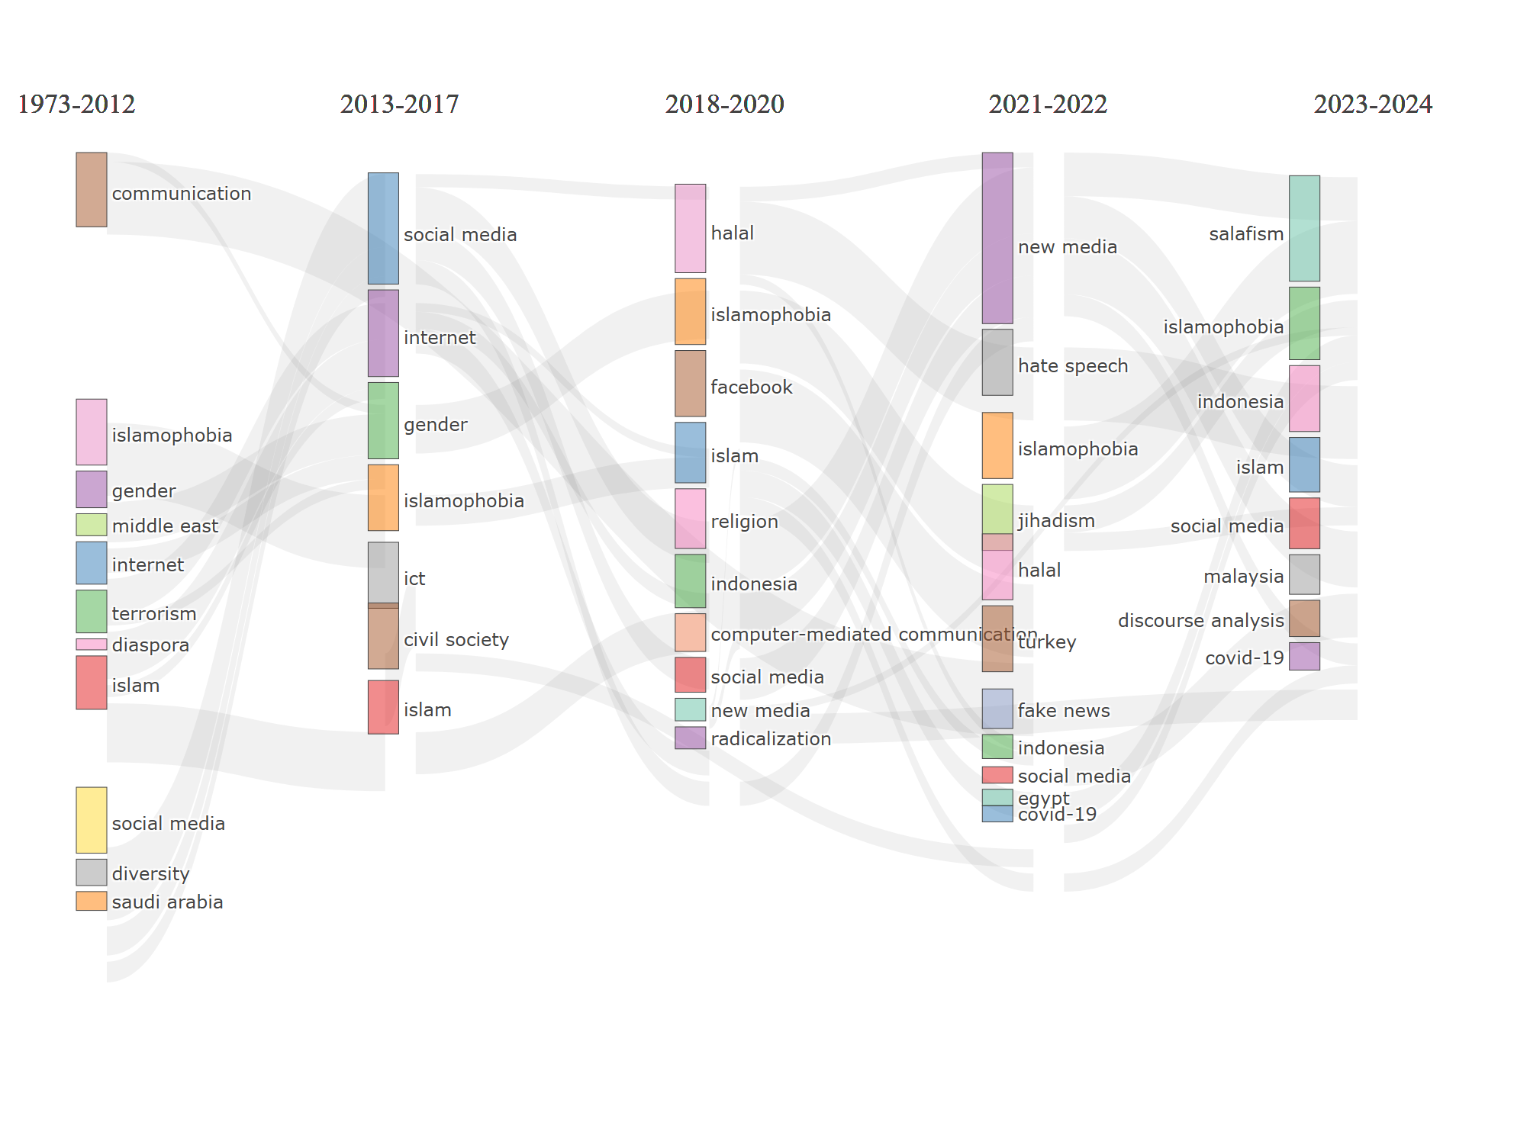
params | values
field | DE
years1 | 2012
years2 | 2017
years3 | 2020
years4 | 2022
n | 250
minFreq | 5
size | 0.3
ngrams | 1
stemming | FALSE
n.labels | 3
repel | FALSE
cluster | edge_betweenness

CL1 | CL2 | Words | Inc_Weighted | Inc_index | Occ | Stability
communication--1973-2012 | civil society--2013-2017 | civil society | 1 | 1 | 2 | 0.16666666667
communication--1973-2012 | gender--2013-2017 | new media | 0.125 | 0.16666666667 | 3 | 0.058823529412
diaspora--1973-2012 | internet--2013-2017 | muslims | 0.16666666667 | 0.2 | 2 | 0.052631578947
diversity--1973-2012 | social media--2013-2017 | religion | 0.4 | 0.5 | 2 | 0.076923076923
gender--1973-2012 | gender--2013-2017 | gender | 0.55555555556 | 0.33333333333 | 5 | 0.071428571429
internet--1973-2012 | gender--2013-2017 | muslim | 0.14285714286 | 0.25 | 2 | 0.066666666667
internet--1973-2012 | internet--2013-2017 | internet | 0.5 | 0.25 | 8 | 0.055555555556
islam--1973-2012 | islam--2013-2017 | islam | 0.80952380952 | 0.5 | 17 | 0.25
islamophobia--1973-2012 | islamophobia--2013-2017 | islamophobia | 1 | 1 | 2 | 0.25
middle east--1973-2012 | gender--2013-2017 | middle east | 0.33333333333 | 0.33333333333 | 2 | 0.071428571429
saudi arabia--1973-2012 | social media--2013-2017 | saudi arabia | 0.28571428571 | 0.5 | 4 | 0.076923076923
social media--1973-2012 | social media--2013-2017 | social media | 1 | 1 | 2 | 0.083333333333
terrorism--1973-2012 | internet--2013-2017 | terrorism;media;propaganda | 0.64705882353 | 0.25 | 7 | 0.055555555556
gender--2013-2017 | new media--2018-2020 | new media | 0.66666666667 | 1 | 2 | 0.083333333333
ict--2013-2017 | computer-mediated communication--2018-2020 | ict | 1 | 1 | 2 | 0.14285714286
internet--2013-2017 | indonesia--2018-2020 | media | 0.076923076923 | 0.1 | 3 | 0.041666666667
internet--2013-2017 | islam--2018-2020 | internet | 0.23076923077 | 0.25 | 7 | 0.055555555556
internet--2013-2017 | islamophobia--2018-2020 | muslims | 0.12 | 0.1 | 3 | 0.041666666667
internet--2013-2017 | radicalization--2018-2020 | terrorism;islamic state;jihad;propaganda | 0.34210526316 | 0.1 | 6 | 0.041666666667
internet--2013-2017 | social media--2018-2020 | ideology | 0.095238095238 | 0.5 | 2 | 0.0625
islam--2013-2017 | islam--2018-2020 | islam | 0.57692307692 | 0.33333333333 | 23 | 0.16666666667
islamophobia--2013-2017 | islamophobia--2018-2020 | islamophobia | 0.41666666667 | 0.25 | 6 | 0.076923076923
social media--2013-2017 | facebook--2018-2020 | facebook | 0.42857142857 | 0.5 | 3 | 0.076923076923
social media--2013-2017 | indonesia--2018-2020 | indonesia | 0.17948717949 | 0.1 | 7 | 0.047619047619
social media--2013-2017 | islamophobia--2018-2020 | twitter | 0.08 | 0.1 | 2 | 0.047619047619
social media--2013-2017 | religion--2018-2020 | religion | 0.33333333333 | 0.2 | 4 | 0.0625
social media--2013-2017 | social media--2018-2020 | social media | 0.57142857143 | 0.5 | 12 | 0.076923076923
computer-mediated communication--2018-2020 | egypt--2021-2022 | globalisation | 0.25 | 0.25 | 2 | 0.1
facebook--2018-2020 | social media--2021-2022 | facebook | 0.57142857143 | 0.5 | 4 | 0.090909090909
halal--2018-2020 | halal--2021-2022 | halal | 1 | 1 | 2 | 0.5
indonesia--2018-2020 | hate speech--2021-2022 | malaysia | 0.13636363636 | 0.1 | 4 | 0.052631578947
indonesia--2018-2020 | indonesia--2021-2022 | indonesia | 1 | 1 | 13 | 0.1
indonesia--2018-2020 | social media--2021-2022 | media;instagram;salafism | 0.20512820513 | 0.1 | 5 | 0.052631578947
islam--2018-2020 | covid-19--2021-2022 | internet | 0.19230769231 | 0.25 | 6 | 0.11111111111
islam--2018-2020 | hate speech--2021-2022 | mass media | 0.090909090909 | 0.25 | 3 | 0.076923076923
islam--2018-2020 | social media--2021-2022 | islam | 0.57692307692 | 0.25 | 15 | 0.076923076923
islamophobia--2018-2020 | covid-19--2021-2022 | muslims | 0.12 | 0.16666666667 | 3 | 0.066666666667
islamophobia--2018-2020 | fake news--2021-2022 | india | 0.25 | 0.25 | 2 | 0.076923076923
islamophobia--2018-2020 | hate speech--2021-2022 | journalism;political communication | 0.18181818182 | 0.1 | 3 | 0.052631578947
islamophobia--2018-2020 | islamophobia--2021-2022 | islamophobia | 0.36363636364 | 0.25 | 5 | 0.076923076923
islamophobia--2018-2020 | social media--2021-2022 | twitter | 0.08 | 0.1 | 2 | 0.052631578947
new media--2018-2020 | new media--2021-2022 | new media | 1 | 1 | 3 | 0.5
radicalization--2018-2020 | hate speech--2021-2022 | communication | 0.090909090909 | 0.1 | 3 | 0.052631578947
religion--2018-2020 | social media--2021-2022 | religion | 0.33333333333 | 0.2 | 4 | 0.071428571429
social media--2018-2020 | social media--2021-2022 | social media | 0.90476190476 | 0.5 | 19 | 0.090909090909
covid-19--2021-2022 | covid-19--2023-2024 | covid-19 | 0.41666666667 | 0.25 | 11 | 0.11111111111
covid-19--2021-2022 | islamophobia--2023-2024 | muslims | 0.11111111111 | 0.16666666667 | 3 | 0.052631578947
fake news--2021-2022 | discourse analysis--2023-2024 | india | 0.25 | 0.25 | 2 | 0.14285714286
hate speech--2021-2022 | islamophobia--2023-2024 | hate speech | 0.090909090909 | 0.1 | 3 | 0.04347826087
hate speech--2021-2022 | malaysia--2023-2024 | malaysia | 0.6 | 0.5 | 3 | 0.090909090909
indonesia--2021-2022 | indonesia--2023-2024 | indonesia | 1 | 1 | 7 | 1
islamophobia--2021-2022 | islamophobia--2023-2024 | islamophobia | 0.36363636364 | 0.25 | 4 | 0.058823529412
jihadism--2021-2022 | salafism--2023-2024 | jihadism | 1 | 1 | 2 | 0.5
new media--2021-2022 | islam--2023-2024 | piety | 0.25 | 0.5 | 2 | 0.11111111111
new media--2021-2022 | islamophobia--2023-2024 | new media | 0.375 | 0.5 | 6 | 0.066666666667
social media--2021-2022 | discourse analysis--2023-2024 | facebook | 0.3 | 0.25 | 7 | 0.076923076923
social media--2021-2022 | islam--2023-2024 | islam;religion | 0.57575757576 | 0.125 | 15 | 0.058823529412
social media--2021-2022 | islamophobia--2023-2024 | twitter | 0.051282051282 | 0.1 | 4 | 0.04347826087
social media--2021-2022 | salafism--2023-2024 | salafism | 0.6 | 0.5 | 3 | 0.090909090909
social media--2021-2022 | social media--2023-2024 | social media | 0.76923076923 | 0.5 | 20 | 0.090909090909
turkey--2021-2022 | islamophobia--2023-2024 | muslim | 0.25 | 0.33333333333 | 2 | 0.0625

TE_Period_1
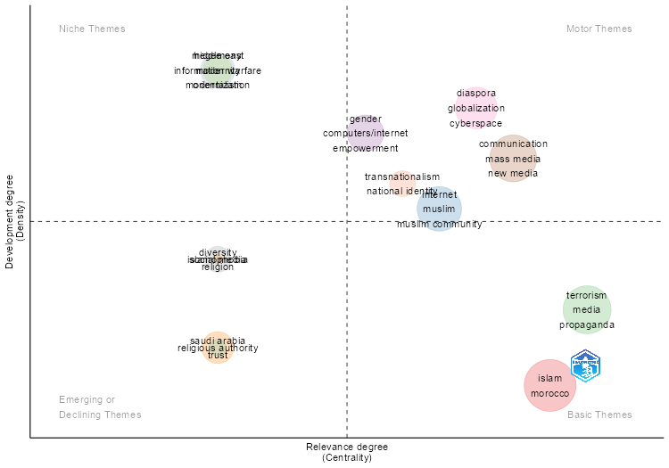
params | values
field | DE
n | 250
ngrams | 1
stemming | FALSE
size | 0.3
n.labels | 3
community.repulsion | 0.1
repel | FALSE
cluster | edge_betweenness

Occurrences | Words | Cluster | Cluster_Label | btw_centrality | clos_centrality | pagerank_centrality
17 | islam | 1 | islam | 9020.3655874 | 0.0023640661939 | 0.028348532586
4 | morocco | 1 | islam | 659.47619048 | 0.0015360983103 | 0.0091564401062
8 | internet | 2 | internet | 3215.8829506 | 0.0019841269841 | 0.015268449624
2 | muslim | 2 | internet | 801.23564331 | 0.001968503937 | 0.0051963931992
2 | muslim community | 2 | internet | 183 | 0.0014814814815 | 0.00522700711
2 | muslim identity | 2 | internet | 212.70238095 | 0.0015552099533 | 0.0060352325669
7 | terrorism | 3 | terrorism | 2771.7373959 | 0.0019646365422 | 0.01679843282
5 | media | 3 | terrorism | 2050.6819035 | 0.0018903591682 | 0.012118024156
3 | propaganda | 3 | terrorism | 1463.3355392 | 0.001976284585 | 0.0047719190755
2 | fear | 3 | terrorism | 235.69808496 | 0.0017699115044 | 0.0048929967992
5 | gender | 4 | gender | 1986.8300654 | 0.0017421602787 | 0.011737267605
2 | computers/internet | 4 | gender | 1 | 0.0010752688172 | 0.0053936149259
2 | empowerment | 4 | gender | 1 | 0.0010752688172 | 0.0053936149259
4 | saudi arabia | 5 | saudi arabia | 801.82393048 | 0.0015948963317 | 0.007471062118
3 | trust | 5 | saudi arabia | 0 | 0.0013947001395 | 0.0029127981104
3 | communication | 6 | communication | 1168.6462185 | 0.001953125 | 0.0067768937466
3 | mass media | 6 | communication | 594.49047619 | 0.0016835016835 | 0.0062704445002
3 | new media | 6 | communication | 1588.9121212 | 0.0016366612111 | 0.0091521846962
3 | public sphere | 6 | communication | 1526.7920932 | 0.0018315018315 | 0.0062223340749
2 | civil society | 6 | communication | 333.2047619 | 0.0016393442623 | 0.0066330898381
2 | cosmopolitanism | 6 | communication | 100.87857143 | 0.0016722408027 | 0.0031249232038
3 | diaspora | 7 | diaspora | 2777.1924542 | 0.0021276595745 | 0.0075655343184
3 | globalization | 7 | diaspora | 797.44458874 | 0.0017921146953 | 0.0052841715463
2 | cyberspace | 7 | diaspora | 1575.6666667 | 0.0016260162602 | 0.0044961276048
2 | muslim youth | 7 | diaspora | 511.71709957 | 0.0017730496454 | 0.0064781977536
2 | muslims | 7 | diaspora | 244.42034632 | 0.001724137931 | 0.0036768905707
3 | diversity | 8 | diversity | 1249 | 0.0013386880857 | 0.0085120197703
2 | religion | 8 | diversity | 1903 | 0.0017211703959 | 0.0057451005182
3 | religious authority | 9 | religious authority | 1360.4092796 | 0.0018214936248 | 0.0074668617532
3 | transnationalism | 10 | transnationalism | 808.5 | 0.0012738853503 | 0.0076888634627
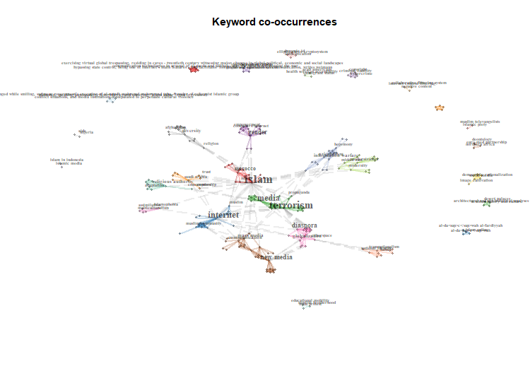
2 | national identity | 10 | transnationalism | 265.5 | 0.0012642225032 | 0.0052520804802
2 | hegemony | 11 | hegemony | 364 | 0.0012165450122 | 0.005922115579
2 | information warfare | 11 | hegemony | 708.71349206 | 0.0015105740181 | 0.0060392252787
2 | orientalism | 11 | hegemony | 726.78650794 | 0.0015082956259 | 0.0065440926974
2 | stereotypes | 11 | hegemony | 1539.9783128 | 0.0019646365422 | 0.0047223428704
2 | islamophobia | 12 | islamophobia | 831.41428571 | 0.0018552875696 | 0.0044751736419
2 | middle east | 13 | middle east | 364 | 0.0016891891892 | 0.0050836564825
2 | modernity | 13 | middle east | 543 | 0.0016920473773 | 0.0056966569854
2 | modernization | 13 | middle east | 720 | 0.0016949152542 | 0.0061407995781
2 | social media | 14 | social media | 4 | 0.2 | 0.0055533136369

Cluster | CallonCentrality | CallonDensity | RankCentrality | RankDensity | ClusterFrequency
islam | 0.64964985994 | 17.647058824 | 13 | 1 | 21
internet | 0.34494047619 | 51.5625 | 10 | 8 | 14
terrorism | 0.70952380952 | 40.476190476 | 14 | 4 | 17
gender | 0.05 | 70 | 8 | 11 | 9
saudi arabia | 0 | 33.333333333 | 4 | 2.5 | 7
communication | 0.61111111111 | 59.259259259 | 12 | 10 | 16
diaspora | 0.36111111111 | 70.555555556 | 11 | 12 | 12
diversity | 0 | 50 | 4 | 6 | 5
religious authority | 0 | 33.333333333 | 4 | 2.5 | 3
transnationalism | 0.16666666667 | 58.333333333 | 9 | 9 | 5
hegemony | 0 | 75 | 4 | 13.5 | 8
islamophobia | 0 | 50 | 4 | 6 | 2
middle east | 0 | 75 | 4 | 13.5 | 6
social media | 0 | 50 | 4 | 6 | 2

DOI | Authors | Title | Source | Year | TotalCitation | TCperYear | NTC | SR | gender | islam | saudi arabia | communication | terrorism | middle east | diaspora | internet | diversity | hegemony | transnationalism | islamophobia | social media | religious authority | Assigned_cluster | pagerank
<a href="https://doi.org/10.1111/j.1548-744X.2012.01067.x" target="_blank">10.1111/j.1548-744X.2012.01067.x</a> | HOESTEREY JB | PROPHETIC COSMOPOLITANISM: ISLAM, POP PSYCHOLOGY, AND CIVIC VIRTUE IN INDONESIA | CITY AND SOCIETY | 2012 | 34 | 2.6153846154 | 1.8620689655 | HOESTEREY JB, 2012, CITY AND SOC | 0 | 0.065934065934 | 0 | 0.93406593407 | 0 | 0 | 0 | 0 | 0 | 0 | 0 | 0 | 0 | 0 | communication | 0.037695789865
<a href="https://doi.org/10.1108/02640470410541688" target="_blank">10.1108/02640470410541688</a> | RAMZAN M | LEVELS OF INFORMATION TECHNOLOGY (IT) APPLICATIONS IN MUSLIM WORLD LIBRARIES | ELECTRONIC LIBRARY | 2004 | 24 | 1.1428571429 | 1.6438356164 | RAMZAN M, 2004, ELECTRON LIBR | 0 | 0 | 0 | 1 | 0 | 0 | 0 | 0 | 0 | 0 | 0 | 0 | 0 | 0 | communication | 0.0067768937466
<a href="https://doi.org/10.1111/j.1468-4446.2011.01383.x" target="_blank">10.1111/j.1468-4446.2011.01383.x</a> | MIHELJ S;VAN ZOONEN L;VIS F | COSMOPOLITAN COMMUNICATION ONLINE: YOUTUBE RESPONSES TO THE ANTI-ISLAM FILM FITNA | BRITISH JOURNAL OF SOCIOLOGY | 2011 | 22 | 1.5714285714 | 1.9324324324 | MIHELJ S, 2011, BRIT J SOCIOL | 0 | 0.057831325301 | 0 | 0.81927710843 | 0 | 0 | 0 | 0.12289156627 | 0 | 0 | 0 | 0 | 0 | 0 | communication | 0.05351879916
<a href="https://doi.org/10.1177/1742766512459121" target="_blank">10.1177/1742766512459121</a> | KAMALI M | MULTIPLE MODERNITIES AND MASS COMMUNICATIONS IN MUSLIM COUNTRIES | GLOBAL MEDIA AND COMMUNICATION | 2012 | 16 | 1.2307692308 | 0.87626774848 | KAMALI M, 2012, GLOBAL MEDIA COMMUN | 0 | 0 | 0 | 1 | 0 | 0 | 0 | 0 | 0 | 0 | 0 | 0 | 0 | 0 | communication | 0.019680428085
<a href="https://doi.org/10.1163/157006008X364721" target="_blank">10.1163/157006008X364721</a> | SCHOLZ J;SELGE T;STILLE M;ZIMMERMANN J | LISTENING COMMUNITIES? SOME REMARKS ON THE CONSTRUCTION OF RELIGIOUS AUTHORITY IN ISLAMIC PODCASTS | WELT DES ISLAMS | 2008 | 12 | 0.70588235294 | 0.33830845771 | SCHOLZ J, 2008, WELT ISLAMS | 0 | 0 | 0 | 1 | 0 | 0 | 0 | 0 | 0 | 0 | 0 | 0 | 0 | 0 | communication | 0.0091521846962
<a href="https://doi.org/10.1177/1940161210390209" target="_blank">10.1177/1940161210390209</a> | EL-NAWAWY M;KHAMIS S | POLITICAL BLOGGING AND (RE) ENVISIONING THE VIRTUAL PUBLIC SPHERE: MUSLIM-CHRISTIAN DISCOURSES IN TWO EGYPTIAN BLOGS | INTERNATIONAL JOURNAL OF PRESS/POLITICS | 2011 | 10 | 0.71428571429 | 0.87837837838 | EL-NAWAWY M, 2011, INT J PRESS POLIT | 0 | 0 | 0 | 1 | 0 | 0 | 0 | 0 | 0 | 0 | 0 | 0 | 0 | 0 | communication | 0.022007608609
<a href="https://doi.org/10.15642/JIIS.2010.4.1.43-61" target="_blank">10.15642/JIIS.2010.4.1.43-61</a> | HUDA AN | FILMING AYAT-AYAT CINTA: THE MAKING OF A MUSLIM PUBLIC SPHERE IN INDONESIA | JOURNAL OF INDONESIAN ISLAM | 2010 | 2 | 0.13333333333 | 0.062140391254 | HUDA AN, 2010, J INDONES ISLAM | 0 | 0 | 0 | 1 | 0 | 0 | 0 | 0 | 0 | 0 | 0 | 0 | 0 | 0 | communication | 0.0062223340749
<a href="https://doi.org/10.1093/acprof:oso/9780195369212.001.0001" target="_blank">10.1093/acprof:oso/9780195369212.001.0001</a> | BAYAT A;HERRERA L | BEING YOUNG AND MUSLIM: NEW CULTURAL POLITICS IN THE GLOBAL SOUTH AND NORTH | BEING YOUNG AND MUSLIM: NEW CULTURAL POLITICS IN THE GLOBAL SOUTH AND NORTH | 2010 | 64 | 4.2666666667 | 1.9884925201 | BAYAT A, 2010, BEING YOUNG AND MUSLIM: NEW CULT POLIT IN THE GLOB SOUTH AND NORTH | 0 | 0 | 0 | 0.28571428571 | 0 | 0 | 0.71428571429 | 0 | 0 | 0 | 0 | 0 | 0 | 0 | diaspora | 0.020914553996
<a href="https://doi.org/10.1177/0022343310391724" target="_blank">10.1177/0022343310391724</a> | MOUSSEAU M | URBAN POVERTY AND SUPPORT FOR ISLAMIST TERROR: SURVEY RESULTS OF MUSLIMS IN FOURTEEN COUNTRIES | JOURNAL OF PEACE RESEARCH | 2011 | 60 | 4.2857142857 | 5.2702702703 | MOUSSEAU M, 2011, J PEACE RES | 0 | 0 | 0 | 0 | 0.3 | 0 | 0.7 | 0 | 0 | 0 | 0 | 0 | 0 | 0 | diaspora | 0.022082604366
<a href="https://doi.org/10.1007/s11562-009-0105-z" target="_blank">10.1007/s11562-009-0105-z</a> | SANDS KZ | MUSLIMS, IDENTITY AND MULTIMODAL COMMUNICATION ON THE INTERNET | CONTEMPORARY ISLAM | 2010 | 20 | 1.3333333333 | 0.62140391254 | SANDS KZ, 2010, CONTEMP ISLAM | 0 | 0 | 0 | 0 | 0 | 0 | 0.8 | 0.2 | 0 | 0 | 0 | 0 | 0 | 0 | diaspora | 0.018945340195
<a href="https://doi.org/10.18848/1833-1882/cgp/v02i04/52378" target="_blank">10.18848/1833-1882/cgp/v02i04/52378</a> | DRISSEL D | ONLINE JIHADISM FOR THE HIP-HOP GENERATION: MOBILIZING DIASPORIC MUSLIM YOUTH IN CYBERSPACE | INTERNATIONAL JOURNAL OF INTERDISCIPLINARY SOCIAL SCIENCES | 2007 | 4 | 0.22222222222 | 0.11741682975 | DRISSEL D, 2007, INT J INTERDISCIP SOC SCI | 0 | 0 | 0 | 0 | 0.14634146341 | 0 | 0.85365853659 | 0 | 0 | 0 | 0 | 0 | 0 | 0 | diaspora | 0.030842164891
<a href="https://doi.org/10.1177/0016549298060004001" target="_blank">10.1177/0016549298060004001</a> | GHAFFARI-FARHANGI S | THE ERA OF GLOBAL COMMUNICATION AS PERCEIVED BY MUSLIMS | GAZETTE | 1998 | 1 | 0.037037037037 | 1 | GHAFFARI-FARHANGI S, 1998, GAZETTE | 0 | 0 | 0 | 0 | 0 | 0 | 1 | 0 | 0 | 0 | 0 | 0 | 0 | 0 | diaspora | 0.02102272404
<a href="https://doi.org/10.1007/s10995-007-0213-4" target="_blank">10.1007/s10995-007-0213-4</a> | REITMANOVA S;GUSTAFSON DL | "THEY CAN'T UNDERSTAND IT": MATERNITY HEALTH AND CARE NEEDS OF IMMIGRANT MUSLIM WOMEN IN ST. JOHN'S, NEWFOUNDLAND | MATERNAL AND CHILD HEALTH JOURNAL | 2008 | 155 | 9.1176470588 | 4.3698175788 | REITMANOVA S, 2008, MATERN CHILD HEALTH J | 0 | 0 | 0 | 0 | 0 | 0 | 0 | 0 | 1 | 0 | 0 | 0 | 0 | 0 | diversity | 0.014257120288
<a href="https://doi.org/10.1108/17590831011026213" target="_blank">10.1108/17590831011026213</a> | HASHIM NM;MIZERSKI D | EXPLORING MUSLIM CONSUMERS' INFORMATION SOURCES FOR FATWA RULINGS ON PRODUCTS AND BEHAVIORS | JOURNAL OF ISLAMIC MARKETING | 2010 | 28 | 1.8666666667 | 0.86996547756 | HASHIM NM, 2010, J ISLAM MARK | 0 | 0.10526315789 | 0 | 0 | 0 | 0 | 0 | 0 | 0.89473684211 | 0 | 0 | 0 | 0 | 0 | diversity | 0.034093633104
<a href="https://doi.org/10.1007/s10464-006-9015-x" target="_blank">10.1007/s10464-006-9015-x</a> | BRODSKY AE;FARYAL T | NO MATTER HOW HARD YOU TRY, YOUR FEET STILL GET WET: INSIDER AND OUTSIDER PERSPECTIVES ON BRIDGING DIVERSITY | AMERICAN JOURNAL OF COMMUNITY PSYCHOLOGY | 2006 | 16 | 0.84210526316 | 0.54545454545 | BRODSKY AE, 2006, AM J COMMUNITY PSYCHOL | 0 | 0 | 0 | 0 | 0 | 0 | 0 | 0 | 1 | 0 | 0 | 0 | 0 | 0 | diversity | 0.0085120197703
<a href="https://doi.org/10.1080/17409292.2012.675648" target="_blank">10.1080/17409292.2012.675648</a> | GASTAUT Y | THE IMMIGRATION QUESTION: MAINSPRING OF SARKOZY'S PRESIDENCY | CONTEMPORARY FRENCH AND FRANCOPHONE STUDIES | 2012 | 9 | 0.69230769231 | 0.49290060852 | GASTAUT Y, 2012, CONTEMP FR FRANCOPH STUD | 0 | 0 | 0 | 0 | 0 | 0 | 0 | 0 | 1 | 0 | 0 | 0 | 0 | 0 | diversity | 0.0085120197703
<a href="https://doi.org/10.1016/j.socscimed.2010.10.011" target="_blank">10.1016/j.socscimed.2010.10.011</a> | ADINKRAH M | BETTER DEAD THAN DISHONORED: MASCULINITY AND MALE SUICIDAL BEHAVIOR IN CONTEMPORARY GHANA | SOCIAL SCIENCE AND MEDICINE | 2012 | 137 | 10.538461538 | 7.5030425963 | ADINKRAH M, 2012, SOC SCI MED | 1 | 0 | 0 | 0 | 0 | 0 | 0 | 0 | 0 | 0 | 0 | 0 | 0 | 0 | gender | 0.011737267605
<a href="https://doi.org/10.1002/jid.1718" target="_blank">10.1002/jid.1718</a> | KHAN F;GHADIALLY R | EMPOWERMENT THROUGH ICT EDUCATION, ACCESS AND USE: A GENDER ANALYSIS OF MUSLIM YOUTH IN INDIA | JOURNAL OF INTERNATIONAL DEVELOPMENT | 2010 | 31 | 2.0666666667 | 0.96317606444 | KHAN F, 2010, J INT DEV | 1 | 0 | 0 | 0 | 0 | 0 | 0 | 0 | 0 | 0 | 0 | 0 | 0 | 0 | gender | 0.022524497457
<a href="https://doi.org/10.18848/1833-1882/cgp/v01i04/52797" target="_blank">10.18848/1833-1882/cgp/v01i04/52797</a> | GEORGIADOU K;KALANTZIS M;KEKKERIS G | GENDER AND ICT: THE CASE OF MUSLIM WOMEN IN GREEK THRACE | INTERNATIONAL JOURNAL OF INTERDISCIPLINARY SOCIAL SCIENCES | 2007 | 4 | 0.22222222222 | 0.11741682975 | GEORGIADOU K, 2007, INT J INTERDISCIP SOC SCI | 1 | 0 | 0 | 0 | 0 | 0 | 0 | 0 | 0 | 0 | 0 | 0 | 0 | 0 | gender | 0.011737267605
<a href="https://doi.org/10.1109/ICTD.2009.5426696" target="_blank">10.1109/ICTD.2009.5426696</a> | KHAN F;GHADIALLY R | EMPOWERING MUSLIM YOUTH THROUGH COMPUTER EDUCATION, ACCESS, USE: A GENDER ANALYSIS | 2009 INTERNATIONAL CONFERENCE ON INFORMATION AND COMMUNICATION TECHNOLOGIES AND DEVELOPMENT, ICTD 2009 - PROCEEDINGS | 2009 | 4 | 0.25 | 0.58823529412 | KHAN F, 2009, INT CONF INF COMMUN TECHNOL DEVELOPMENT, ICTD - PROC | 1 | 0 | 0 | 0 | 0 | 0 | 0 | 0 | 0 | 0 | 0 | 0 | 0 | 0 | gender | 0.022524497457
<a href="https://doi.org/10.1080/17539153.2011.586205" target="_blank">10.1080/17539153.2011.586205</a> | WOODS J | FRAMING TERROR: AN EXPERIMENTAL FRAMING EFFECTS STUDY OF THE PERCEIVED THREAT OF TERRORISM | CRITICAL STUDIES ON TERRORISM | 2011 | 45 | 3.2142857143 | 3.9527027027 | WOODS J, 2011, CRIT STUD TERRORISM | 0 | 0.065237651445 | 0 | 0 | 0.38024231128 | 0 | 0 | 0 | 0 | 0.55452003728 | 0 | 0 | 0 | 0 | hegemony | 0.061987332432
<a href="https://doi.org/10.1177/0263276407075960" target="_blank">10.1177/0263276407075960</a> | TERRANOVA T | FUTUREPUBLIC: ON INFORMATION WARFARE, BIO-RACISM AND HEGEMONY AS NOOPOLITICS | THEORY, CULTURE & SOCIETY | 2007 | 38 | 2.1111111111 | 1.1154598826 | TERRANOVA T, 2007, THEORY CULT SOC | 0 | 0 | 0 | 0 | 0 | 0 | 0 | 0 | 0 | 1 | 0 | 0 | 0 | 0 | hegemony | 0.018505433555
<a href="https://doi.org/10.1080/10510974.2011.533340" target="_blank">10.1080/10510974.2011.533340</a> | YILMAZ F | THE POLITICS OF THE DANISH CARTOON AFFAIR: HEGEMONIC INTERVENTION BY THE EXTREME RIGHT | COMMUNICATION STUDIES | 2011 | 19 | 1.3571428571 | 1.6689189189 | YILMAZ F, 2011, COMMUN STUD | 0 | 0 | 0 | 0 | 0 | 0 | 0 | 0 | 0 | 1 | 0 | 0 | 0 | 0 | hegemony | 0.005922115579
<a href="https://doi.org/10.1177/1748048508096141" target="_blank">10.1177/1748048508096141</a> | WINSECK D | INFORMATION OPERATIONS 'BLOWBACK': COMMUNICATION, PROPAGANDA AND SURVEILLANCE IN THE GLOBAL WAR ON TERRORISM | INTERNATIONAL COMMUNICATION GAZETTE | 2008 | 17 | 1 | 0.47927031509 | WINSECK D, 2008, INT COMMUN GAZ | 0 | 0 | 0 | 0 | 0.4 | 0 | 0 | 0 | 0 | 0.6 | 0 | 0 | 0 | 0 | hegemony | 0.010811144354
<a href="https://doi.org/10.1177/0002716203588001002" target="_blank">10.1177/0002716203588001002</a> | BULLIET RW | RHETORIC, DISCOURSE, AND THE FUTURE OF HOPE | ANNALS OF THE AMERICAN ACADEMY OF POLITICAL AND SOCIAL SCIENCE | 2003 | 8 | 0.36363636364 | 0.46601941748 | BULLIET RW, 2003, ANN AM ACAD POLIT SOC SCI | 0 | 0 | 0 | 0 | 0 | 0 | 0 | 0 | 0 | 1 | 0 | 0 | 0 | 0 | hegemony | 0.011266435568
<a href="https://doi.org/10.1093/acprof:oso/9780199736416.001.0001" target="_blank">10.1093/acprof:oso/9780199736416.001.0001</a> | HOWARD PN | THE DIGITAL ORIGINS OF DICTATORSHIP AND DEMOCRACY: INFORMATION TECHNOLOGY AND POLITICAL ISLAM | THE DIGITAL ORIGINS OF DICTATORSHIP AND DEMOCRACY: INFORMATION TECHNOLOGY AND POLITICAL ISLAM | 2010 | 410 | 27.333333333 | 12.738780207 | HOWARD PN, 2010, THE DIGIT ORIG OF DICTATORSHIP AND DEMOCR: INF TECHNOL AND POLIT ISLAM | 0 | 0 | 0 | 0 | 0 | 0 | 0 | 1 | 0 | 0 | 0 | 0 | 0 | 0 | internet | 0.026530689301
<a href="https://doi.org/10.1016/j.hazards.2006.06.002" target="_blank">10.1016/j.hazards.2006.06.002</a> | PARADISE TR | PERCEPTION OF EARTHQUAKE RISK IN AGADIR, MOROCCO: A CASE STUDY FROM A MUSLIM COMMUNITY | ENVIRONMENTAL HAZARDS | 2005 | 59 | 2.95 | 2.052173913 | PARADISE TR, 2005, ENVIRON HAZARDS | 0 | 0.38181818182 | 0 | 0 | 0 | 0 | 0 | 0.61818181818 | 0 | 0 | 0 | 0 | 0 | 0 | internet | 0.042701365891
<a href="https://doi.org/10.1177/1367549406060804" target="_blank">10.1177/1367549406060804</a> | SIAPERA E | MULTICULTURALISM ONLINE: THE INTERNET AND THE DILEMMAS OF MULTICULTURAL POLITICS | EUROPEAN JOURNAL OF CULTURAL STUDIES | 2006 | 23 | 1.2105263158 | 0.78409090909 | SIAPERA E, 2006, EUR J OF CULT STUD | 0 | 0 | 0 | 0 | 0 | 0 | 0 | 1 | 0 | 0 | 0 | 0 | 0 | 0 | internet | 0.015268449624
<a href="https://doi.org/10.1080/10477845.2011.561717" target="_blank">10.1080/10477845.2011.561717</a> | JANBEK DM | TERRORISM IN THE AGE OF THE INTERNET: THE CASE OF MUSLIM ARAB FOREIGN TERRORIST ORGANIZATIONS | JOURNAL OF RELIGIOUS AND THEOLOGICAL INFORMATION | 2011 | 2 | 0.14285714286 | 0.17567567568 | JANBEK DM, 2011, J RELIG THEOLINF | 0 | 0 | 0 | 0 | 0.18604651163 | 0 | 0 | 0.81395348837 | 0 | 0 | 0 | 0 | 0 | 0 | internet | 0.037263275643
<a href="https://doi.org/10.1093/acprof:oso/9780199827978.003.0015" target="_blank">10.1093/acprof:oso/9780199827978.003.0015</a> | BOROUJERDI M;ALLEM NJ | ISLAM AND THE PROMENADES OF GLOBAL MEDIA | RETHINKING RELIGION AND WORLD AFFAIRS | 2012 | 0 | 0 | 0 | BOROUJERDI M, 2012, RETHINKING RELIG AND WORLD AFFAIRS | 0 | 0 | 0 | 0.4 | 0 | 0 | 0 | 0.6 | 0 | 0 | 0 | 0 | 0 | 0 | internet | 0.012305677067
<a href="https://doi.org/10.1057/9780230596382_3" target="_blank">10.1057/9780230596382_3</a> | GILLAN K;PICKERILL J;WEBSTER F | REPRESENTATION, BELIEFS AND IDENTITIES | NEW SECURITY CHALLENGES | 2008 | 0 | 0 | 0 | GILLAN K, 2008, NEW SECUR CHALL | 0 | 0 | 0 | 0 | 0 | 0 | 0 | 1 | 0 | 0 | 0 | 0 | 0 | 0 | internet | 0.00522700711
<a href="https://doi.org/10.1007/s12134-009-0123-y" target="_blank">10.1007/s12134-009-0123-y</a> | NIYOZOV S | TEACHERS AND TEACHING ISLAM AND MUSLIMS IN PLURALISTIC SOCIETIES: CLAIMS, MISUNDERSTANDINGS, AND RESPONSES | JOURNAL OF INTERNATIONAL MIGRATION AND INTEGRATION | 2010 | 22 | 1.4666666667 | 0.6835443038 | NIYOZOV S, 2010, J INT MIGR INTEGR | 0 | 1 | 0 | 0 | 0 | 0 | 0 | 0 | 0 | 0 | 0 | 0 | 0 | 0 | islam | 0.028348532586
<a href="https://doi.org/10.1080/13629380801996562" target="_blank">10.1080/13629380801996562</a> | BOWEN DL;GREEN A;JAMES C | GLOBALISATION, MOBILE PHONES AND FORBIDDEN ROMANCE IN MOROCCO | JOURNAL OF NORTH AFRICAN STUDIES | 2008 | 9 | 0.52941176471 | 0.25373134328 | BOWEN DL, 2008, J NORTH AFR STUD | 0.39306358382 | 0.60693641618 | 0 | 0 | 0 | 0 | 0 | 0 | 0 | 0 | 0 | 0 | 0 | 0 | islam | 0.049242240297
<a href="https://doi.org/10.1109/ACSAT.2012.66" target="_blank">10.1109/ACSAT.2012.66</a> | NASSAR IA;HAYAJNEH JA;ALMSAFIR MK | THE INFLUENCE OF USING SOCIAL NETWORK ON PUBLISHING AND SERVING ISLAM: A CASE STUDY OF JORDANIAN STUDENTS | PROCEEDINGS - 2012 INTERNATIONAL CONFERENCE ON ADVANCED COMPUTER SCIENCE APPLICATIONS AND TECHNOLOGIES, ACSAT 2012 | 2012 | 5 | 0.38461538462 | 0.2738336714 | NASSAR IA, 2012, PROC - INT CONF ADV COMPUT SCI APPL TECHNOL, ACSAT | 0 | 1 | 0 | 0 | 0 | 0 | 0 | 0 | 0 | 0 | 0 | 0 | 0 | 0 | islam | 0.028348532586
<a href="https://doi.org/10.1177/097185241101500206" target="_blank">10.1177/097185241101500206</a> | SIMON S | USING ICTS TO EXPLORE MOROCCAN WOMEN'S IDEAS ABOUT THEIR EMANCIPATION | GENDER, TECHNOLOGY AND DEVELOPMENT | 2011 | 3 | 0.21428571429 | 0.26351351351 | SIMON S, 2011, GENDER TECHNOL DEV | 0 | 1 | 0 | 0 | 0 | 0 | 0 | 0 | 0 | 0 | 0 | 0 | 0 | 0 | islam | 0.0091564401062
<a href="https://doi.org/10.1590/s0104-83332008000100007" target="_blank">10.1590/s0104-83332008000100007</a> | ENNAJI M | WOMEN PREACHERS "MURSHIDAT" AS AGENTS OF CHANGE IN MOROCCO: A COMPARATIVE PERSPECTIVE; [PREGADORAS MURSHIDAT COMO AGENTES DE MUDANÇA NO MARROCOS: UMA PERSPECTIVA COMPARATIVA] | CADERNOS PAGU | 2008 | 0 | 0 | 0 | ENNAJI M, 2008, CAD PAGU | 0 | 1 | 0 | 0 | 0 | 0 | 0 | 0 | 0 | 0 | 0 | 0 | 0 | 0 | islam | 0.037504972692
<a href="https://doi.org/10.1177/0306396808096394" target="_blank">10.1177/0306396808096394</a> | KHIABANY G;WILLIAMSON M | VEILED BODIES - NAKED RACISM: CULTURE, POLITICS AND RACE IN THE SUN | RACE AND CLASS | 2008 | 66 | 3.8823529412 | 1.8606965174 | KHIABANY G, 2008, RACE CL | 0 | 0 | 0 | 0 | 0 | 0 | 0 | 0 | 0 | 0 | 0 | 1 | 0 | 0 | islamophobia | 0.0044751736419
<a href="https://doi.org/10.1007/s11562-007-0002-2" target="_blank">10.1007/s11562-007-0002-2</a> | LARSSON G | CYBER-ISLAMOPHOBIA? THE CASE OF WIKIISLAM | CONTEMPORARY ISLAM | 2007 | 28 | 1.5555555556 | 0.82191780822 | LARSSON G, 2007, CONTEMP ISLAM | 0 | 0.086021505376 | 0 | 0 | 0 | 0 | 0 | 0.18279569892 | 0 | 0 | 0 | 0.7311827957 | 0 | 0 | islamophobia | 0.048092155852
<a href="https://doi.org/10.1080/10350330701637064" target="_blank">10.1080/10350330701637064</a> | KHIABANY G | IRANIAN MEDIA: THE PARADOX OF MODERNITY | SOCIAL SEMIOTICS | 2007 | 18 | 1 | 0.52837573386 | KHIABANY G, 2007, SOC SEMIOT | 0 | 0 | 0 | 0 | 0 | 1 | 0 | 0 | 0 | 0 | 0 | 0 | 0 | 0 | middle east | 0.0061407995781
<a href="https://doi.org/10.1007/s11562-012-0221-z" target="_blank">10.1007/s11562-012-0221-z</a> | BARENDREGT B | SONIC DISCOURSES ON MUSLIM MALAY MODERNITY: THE ARQAM SOUND | CONTEMPORARY ISLAM | 2012 | 11 | 0.84615384615 | 0.60243407708 | BARENDREGT B, 2012, CONTEMP ISLAM | 0 | 0 | 0 | 0 | 0 | 1 | 0 | 0 | 0 | 0 | 0 | 0 | 0 | 0 | middle east | 0.0056966569854
<a href="https://doi.org/10.1080/02560040701398814" target="_blank">10.1080/02560040701398814</a> | KHIABANY G | IS THERE AN ISLAMIC COMMUNICATION? THE PERSISTENCE OF ‘TRADITION’ AND THE LURE OF MODERNITY | CRITICAL ARTS | 2007 | 10 | 0.55555555556 | 0.29354207436 | KHIABANY G, 2007, CRIT ARTS | 0 | 0.037735849057 | 0 | 0 | 0 | 0.96226415094 | 0 | 0 | 0 | 0 | 0 | 0 | 0 | 0 | middle east | 0.045269645632
<a href="https://doi.org/10.1177/1748048511398601" target="_blank">10.1177/1748048511398601</a> | CHRISTIE TB;CLARK AM | BELIEVE IT OR NOT: UNDERSTANDING THE CREDIBILITY AND EFFECTIVENESS OF RADIO SAWA IN THE UAE | INTERNATIONAL COMMUNICATION GAZETTE | 2011 | 4 | 0.28571428571 | 0.35135135135 | CHRISTIE TB, 2011, INT COMMUN GAZ | 0 | 0 | 0 | 0 | 0 | 1 | 0 | 0 | 0 | 0 | 0 | 0 | 0 | 0 | middle east | 0.0050836564825
<a href="https://doi.org/10.1525/ae.2006.33.2.210" target="_blank">10.1525/ae.2006.33.2.210</a> | SCHULZ DE | PROMISES OF (IM)MEDIATE SALVATION: ISLAM, BROADCAST MEDIA, AND THE REMAKING OF RELIGIOUS EXPERIENCE IN MALI | AMERICAN ETHNOLOGIST | 2006 | 112 | 5.8947368421 | 3.8181818182 | SCHULZ DE, 2006, AM ETHNOL | 0 | 0.099337748344 | 0 | 0 | 0.33774834437 | 0 | 0 | 0 | 0 | 0 | 0 | 0 | 0 | 0.56291390728 | religious authority | 0.047933418495
<a href="https://doi.org/10.1080/1369118X.2011.579140" target="_blank">10.1080/1369118X.2011.579140</a> | SISLER V | CYBER COUNSELLORS: ONLINE FATWAS, ARBITRATION TRIBUNALS AND THE CONSTRUCTION OF MUSLIM IDENTITY IN THE UK | INFORMATION COMMUNICATION AND SOCIETY | 2011 | 29 | 2.0714285714 | 2.5472972973 | SISLER V, 2011, INF COMMUN SOC | 0 | 0 | 0 | 0 | 0 | 0 | 0 | 0 | 0 | 0 | 0 | 0 | 0 | 1 | religious authority | 0.0074668617532
<a href="https://doi.org/10.1007/s11562-010-0125-8" target="_blank">10.1007/s11562-010-0125-8</a> | YUKLEYEN A | PRODUCTION OF MYSTICAL ISLAM IN EUROPE: RELIGIOUS AUTHORIZATION IN THE SÜLEYMANLI{DOTLESS} SUFI COMMUNITY | CONTEMPORARY ISLAM | 2010 | 7 | 0.46666666667 | 0.21749136939 | YUKLEYEN A, 2010, CONTEMP ISLAM | 0 | 0 | 0 | 0 | 0 | 0 | 0 | 0 | 0 | 0 | 0 | 0 | 0 | 1 | religious authority | 0.0074668617532
<a href="https://doi.org/10.1007/s10661-007-0120-6" target="_blank">10.1007/s10661-007-0120-6</a> | NOWEIR MH;BAFAIL AO;JOMOAH IM | STUDY OF HEAT EXPOSURE DURING HAJJ (PILGRIMAGE) | ENVIRONMENTAL MONITORING AND ASSESSMENT | 2008 | 27 | 1.5882352941 | 0.76119402985 | NOWEIR MH, 2008, ENVIRON MONIT ASSESS | 0 | 0 | 1 | 0 | 0 | 0 | 0 | 0 | 0 | 0 | 0 | 0 | 0 | 0 | saudi arabia | 0.007471062118
<a href="https://doi.org/10.1007/s11673-012-9390-y" target="_blank">10.1007/s11673-012-9390-y</a> | ADLAN AA;TEN HAVE HAMJ | THE DILEMMA OF REVEALING SENSITIVE INFORMATION ON PATERNITY STATUS IN ARABIAN SOCIAL AND CULTURAL CONTEXTS: TELLING THE TRUTH ABOUT PATERNITY IN SAUDI ARABIA | JOURNAL OF BIOETHICAL INQUIRY | 2012 | 22 | 1.6923076923 | 1.2048681542 | ADLAN AA, 2012, J BIOETHICAL INQ | 0 | 0.091603053435 | 0.90839694656 | 0 | 0 | 0 | 0 | 0 | 0 | 0 | 0 | 0 | 0 | 0 | saudi arabia | 0.038732392814
<a href="https://doi.org/10.1108/17410390910993527" target="_blank">10.1108/17410390910993527</a> | IBRAHIM ENM;NOOR NLM;MEHAD S | TRUST OR DISTRUST IN THE WEB-MEDIATED INFORMATION ENVIRONMENT (W-MIE) A PERSPECTIVE OF ONLINE MUSLIM USERS | JOURNAL OF ENTERPRISE INFORMATION MANAGEMENT | 2009 | 19 | 1.1875 | 2.7941176471 | IBRAHIM ENM, 2009, J ENTERP INF MANAGE | 0 | 0.15 | 0.85 | 0 | 0 | 0 | 0 | 0 | 0 | 0 | 0 | 0 | 0 | 0 | saudi arabia | 0.031261330696
<a href="https://doi.org/10.1108/14779960480000242" target="_blank">10.1108/14779960480000242</a> | AL-SAGGAF Y;BEGG MM | ONLINE COMMUNITIES VERSUS OFFLINE COMMUNITIES IN THE ARAB/MUSLIM WORLD | JOURNAL OF INFORMATION, COMMUNICATION AND ETHICS IN SOCIETY | 2004 | 16 | 0.7619047619 | 1.095890411 | AL-SAGGAF Y, 2004, J INF COMMUN ETHICS SOC | 0 | 0 | 1 | 0 | 0 | 0 | 0 | 0 | 0 | 0 | 0 | 0 | 0 | 0 | saudi arabia | 0.007471062118
<a href="https://doi.org/10.1108/14779960810888329" target="_blank">10.1108/14779960810888329</a> | HIMMA K;HONGLADAROM S;AL-SAGGAF Y;EINAR HIMMA K;KHARABSHEH R | POLITICAL ONLINE COMMUNITIES IN SAUDI ARABIA: THE MAJOR PLAYERS | JOURNAL OF INFORMATION, COMMUNICATION AND ETHICS IN SOCIETY | 2008 | 9 | 0.52941176471 | 0.25373134328 | HIMMA K, 2008, J INF COMMUN ETHICS SOC | 0 | 0.13559322034 | 0.57627118644 | 0 | 0 | 0 | 0 | 0.28813559322 | 0 | 0 | 0 | 0 | 0 | 0 | saudi arabia | 0.051088044328
<a href="https://doi.org/" target="_blank"></a> | IBRAHIM ENM;NOOR NLMD;MEHAD S | TRUST OR DISTRUST IN WEB MEDIATED INFORMATION ENVIRONMENT: A PERSPECTIVE OF ONLINE MUSLIM USERS | PROCEEDINGS OF THE EUROPEAN AND MEDITERRANEAN CONFERENCE ON INFORMATION SYSTEMS, EMCIS 2008 | 2008 | 5 | 0.29411764706 | 0.14096185738 | IBRAHIM ENM, 2008, EUR MEDITERR CONF INF SYST, EMCIS | 0 | 0 | 1 | 0 | 0 | 0 | 0 | 0 | 0 | 0 | 0 | 0 | 0 | 0 | saudi arabia | 0.0029127981104
<a href="https://doi.org/10.1163/18739865-00503013" target="_blank">10.1163/18739865-00503013</a> | SCHROEDER J;UYSAL N;TAYLOR M | SOCIAL MEDIA AND SOFT POWER: POSITIONING TURKEY'S IMAGE ON TWITTER | MIDDLE EAST JOURNAL OF CULTURE AND COMMUNICATION | 2012 | 11 | 0.84615384615 | 0.60243407708 | SCHROEDER J, 2012, MIDDLE EAST J CULT COMMUN | 0 | 0 | 0 | 0 | 0 | 0 | 0 | 0 | 0 | 0 | 0 | 0 | 1 | 0 | social media | 0.0055533136369
<a href="https://doi.org/10.1177/0163443712454262" target="_blank">10.1177/0163443712454262</a> | SORIANO CR;SREEKUMAR TT | MULTIPLE TRANSCRIPTS AS POLITICAL STRATEGY: SOCIAL MEDIA AND CONFLICTING IDENTITIES OF THE MORO LIBERATION MOVEMENT IN THE PHILIPPINES | MEDIA, CULTURE AND SOCIETY | 2012 | 5 | 0.38461538462 | 0.2738336714 | SORIANO CR, 2012, MEDIA CULT SOC | 0 | 0 | 0 | 0 | 0 | 0 | 0 | 0 | 0 | 0 | 0 | 0 | 1 | 0 | social media | 0.0055533136369
<a href="https://doi.org/10.1177/1750481307079207" target="_blank">10.1177/1750481307079207</a> | ALTHEIDE DL | THE MASS MEDIA AND TERRORISM | DISCOURSE & COMMUNICATION | 2007 | 81 | 4.5 | 2.3776908023 | ALTHEIDE DL, 2007, DISCOURSE COMMUN | 0 | 0 | 0 | 0.28571428571 | 0.71428571429 | 0 | 0 | 0 | 0 | 0 | 0 | 0 | 0 | 0 | terrorism | 0.015935360375
<a href="https://doi.org/10.1108/03090561011020543" target="_blank">10.1108/03090561011020543</a> | BAINES PR;O'SHAUGHNESSY NJ;MOLONEY K;RICHARDS B;BUTLER S;GILL M | THE DARK SIDE OF POLITICAL MARKETING: ISLAMIST PROPAGANDA, REVERSAL THEORY AND BRITISH MUSLIMS | EUROPEAN JOURNAL OF MARKETING | 2010 | 40 | 2.6666666667 | 1.2428078251 | BAINES PR, 2010, EUR J MARK | 0 | 0.10994764398 | 0 | 0 | 0.89005235602 | 0 | 0 | 0 | 0 | 0 | 0 | 0 | 0 | 0 | terrorism | 0.049918884481
<a href="https://doi.org/10.1080/07256868.2011.584613" target="_blank">10.1080/07256868.2011.584613</a> | CHRISTIANSEN CC | CONTESTING VISIBILITIES: SARTORIAL STRATEGIES AMONG MUSLIM WOMEN IN DANISH MEDIA | JOURNAL OF INTERCULTURAL STUDIES | 2011 | 10 | 0.71428571429 | 0.87837837838 | CHRISTIANSEN CC, 2011, J INTERCULT STUD | 0 | 0 | 0 | 0 | 1 | 0 | 0 | 0 | 0 | 0 | 0 | 0 | 0 | 0 | terrorism | 0.012118024156
<a href="https://doi.org/" target="_blank"></a> | FILIOL E;DECHAUX J;FIZAINE J-P | PERVERTING EMAILS: A NEW DIMENSION IN INTERNET (IN) SECURITY | 10TH EUROPEAN CONFERENCE ON INFORMATION WARFARE AND SECURITY 2011, ECIW 2011 | 2011 | 2 | 0.14285714286 | 0.17567567568 | FILIOL E, 2011, EUR CONF INF WARF SECUR, ECIW | 0 | 0 | 0 | 0 | 1 | 0 | 0 | 0 | 0 | 0 | 0 | 0 | 0 | 0 | terrorism | 0.01679843282
<a href="https://doi.org/" target="_blank"></a> | EL-IBIARY R | NEW MEDIA, GEOPOLITICS, AND TERROR: DISCURSIVE ANALYSIS OF BUSH AND BIN LADEN'S RHETORIC | ARAB WORLD GEOGRAPHER | 2011 | 1 | 0.071428571429 | 0.087837837838 | EL-IBIARY R, 2011, ARAB WORLD GEOGR | 0 | 0 | 0 | 0 | 1 | 0 | 0 | 0 | 0 | 0 | 0 | 0 | 0 | 0 | terrorism | 0.033809453775
<a href="https://doi.org/10.1111/j.1469-8129.2008.00322.x" target="_blank">10.1111/j.1469-8129.2008.00322.x</a> | SAUNDERS RA | THE UMMAH AS NATION: A REAPPRAISAL IN THE WAKE OF THE 'CARTOONS AFFAIR' | NATIONS AND NATIONALISM | 2008 | 50 | 2.9411764706 | 1.4096185738 | SAUNDERS RA, 2008, NATIONS NATL | 0 | 0 | 0 | 0 | 0 | 0 | 0.375 | 0 | 0 | 0 | 0.625 | 0 | 0 | 0 | transnationalism | 0.017437071548
<a href="https://doi.org/10.1111/j.1471-0374.2007.00171.x" target="_blank">10.1111/j.1471-0374.2007.00171.x</a> | MCAULIFFE C | A HOME FAR AWAY? RELIGIOUS IDENTITY AND TRANSNATIONAL RELATIONS IN THE IRANIAN DIASPORA | GLOBAL NETWORKS | 2007 | 40 | 2.2222222222 | 1.1741682975 | MCAULIFFE C, 2007, GLOBAL NETW | 0 | 0 | 0 | 0 | 0 | 0 | 0 | 0 | 0 | 0 | 1 | 0 | 0 | 0 | transnationalism | 0.012940943943
<a href="https://doi.org/10.1007/s11562-009-0107-x" target="_blank">10.1007/s11562-009-0107-x</a> | EDMUNDS J | 'ELITE' YOUNG MUSLIMS IN BRITAIN: FROM TRANSNATIONAL TO GLOBAL POLITICS | CONTEMPORARY ISLAM | 2010 | 12 | 0.8 | 0.37284234753 | EDMUNDS J, 2010, CONTEMP ISLAM | 0 | 0 | 0 | 0 | 0 | 0 | 0 | 0 | 0 | 0 | 1 | 0 | 0 | 0 | transnationalism | 0.0076888634627
<a href="https://doi.org/10.1111/j.1083-6101.2007.00362.x" target="_blank">10.1111/j.1083-6101.2007.00362.x</a> | CAMPBELL H | WHO'S GOT THE POWER? RELIGIOUS AUTHORITY AND THE INTERNET | JOURNAL OF COMPUTER-MEDIATED COMMUNICATION | 2007 | 163 | 9.0555555556 | 4.7847358121 | CAMPBELL H, 2007, J COMPUTER-MEDIATED COMMUN | 0 | 0 | 0 | 0 | 0 | 0 | 0 | 0 | 0 | 0 | 0 | 0 | 0 | 0 |  | 0
<a href="https://doi.org/" target="_blank"></a> | FEALY G;WHITE S | EXPRESSING ISLAM: RELIGIOUS LIFE AND POLITICS IN INDONESIA | EXPRESSING ISLAM: RELIGIOUS LIFE AND POLITICS IN INDONESIA | 2008 | 140 | 8.2352941176 | 3.9469320066 | FEALY G, 2008, EXPRESSING ISLAM: RELIG LIFE AND POLIT IN INDONES | 0 | 0 | 0 | 0 | 0 | 0 | 0 | 0 | 0 | 0 | 0 | 0 | 0 | 0 |  | 0
<a href="https://doi.org/10.1027/1864-1105/a000062" target="_blank">10.1027/1864-1105/a000062</a> | HOLTZ P;KRONBERGER N;WAGNER W | ANALYZING INTERNET FORUMS A PRACTICAL GUIDE | JOURNAL OF MEDIA PSYCHOLOGY | 2012 | 139 | 10.692307692 | 7.6125760649 | HOLTZ P, 2012, J MEDIA PSYCHOL | 0 | 0 | 0 | 0 | 0 | 0 | 0 | 0 | 0 | 0 | 0 | 0 | 0 | 0 |  | 0
<a href="https://doi.org/" target="_blank"></a> | BULKELEY K | DREAMING IN THE WORLDS RELIGIONS: A COMPARATIVE HISTORY | DREAMING IN THE WORLDS RELIGIONS: A COMPARATIVE HISTORY | 2008 | 92 | 5.4117647059 | 2.5936981758 | BULKELEY K, 2008, DREAMING IN THE WORLDS RELIG: A COMP HIST | 0 | 0 | 0 | 0 | 0 | 0 | 0 | 0 | 0 | 0 | 0 | 0 | 0 | 0 |  | 0
<a href="https://doi.org/10.1080/15205430903470532" target="_blank">10.1080/15205430903470532</a> | WEEKS B;SOUTHWELL B | THE SYMBIOSIS OF NEWS COVERAGE AND AGGREGATE ONLINE SEARCH BEHAVIOR: OBAMA, RUMORS, AND PRESIDENTIAL POLITICS | MASS COMMUNICATION AND SOCIETY | 2010 | 90 | 6 | 2.7963176064 | WEEKS B, 2010, MASS COMMUN SOC | 0 | 0 | 0 | 0 | 0 | 0 | 0 | 0 | 0 | 0 | 0 | 0 | 0 | 0 |  | 0
<a href="https://doi.org/10.1177/0016549201063002005" target="_blank">10.1177/0016549201063002005</a> | MANDAVILLE P | REIMAGINING ISLAM IN DIASPORA: THE POLITICS OF MEDIATED COMMUNITY | GAZETTE | 2001 | 88 | 3.6666666667 | 1.5348837209 | MANDAVILLE P, 2001, GAZETTE | 0 | 0.082023239918 | 0 | 0 | 0.27887901572 | 0 | 0.46479835954 | 0.17429938483 | 0 | 0 | 0 | 0 | 0 | 0 |  | 0
<a href="https://doi.org/10.1111/j.1083-6101.2007.00364.x" target="_blank">10.1111/j.1083-6101.2007.00364.x</a> | HASHIM NH;MURPHY J;HASHIM NM | ISLAM AND ONLINE IMAGERY ON MALAYSIAN TOURIST DESTINATION WEBSITES | JOURNAL OF COMPUTER-MEDIATED COMMUNICATION | 2007 | 75 | 4.1666666667 | 2.2015655577 | HASHIM NH, 2007, J COMPUTER-MEDIATED COMMUN | 0 | 0 | 0 | 0 | 0 | 0 | 0 | 0 | 0 | 0 | 0 | 0 | 0 | 0 |  | 0
<a href="https://doi.org/10.2307/2673834" target="_blank">10.2307/2673834</a> | FIKREE FF;KHAN A;KADIR MM;SAJAN F;RAHBAR MH | WHAT INFLUENCES CONTRACEPTIVE USE AMONG YOUNG WOMEN IN URBAN SQUATTER SETTLEMENTS OF KARACHI, PAKISTAN? | INTERNATIONAL FAMILY PLANNING PERSPECTIVES | 2001 | 70 | 2.9166666667 | 1.2209302326 | FIKREE FF, 2001, INT FAM PLANN PERSPECT | 0 | 0 | 0 | 0 | 0 | 0 | 0 | 0 | 0 | 0 | 0 | 0 | 0 | 0 |  | 0
<a href="https://doi.org/10.1163/15700660360703123" target="_blank">10.1163/15700660360703123</a> | SCHULZ DE | 'CHARISMA AND BROTHERHOOD' REVISITED: MASS-MEDIATED FORMS OF SPIRITUALITY IN URBAN MALI | JOURNAL OF RELIGION IN AFRICA | 2003 | 65 | 2.9545454545 | 3.786407767 | SCHULZ DE, 2003, J RELIG AFR | 0 | 0 | 0 | 0 | 0 | 0 | 0 | 0 | 0 | 0 | 0 | 0 | 0 | 0 |  | 0
<a href="https://doi.org/10.1080/105761099265748" target="_blank">10.1080/105761099265748</a> | WHINE M | CYBERSPACE-A NEW MEDIUM FOR COMMUNICATION, COMMAND, AND CONTROL BY EXTREMISTS | STUDIES IN CONFLICT AND TERRORISM | 1999 | 53 | 2.0384615385 | 1.962962963 | WHINE M, 1999, STUD CONFL TERRORISM | 0 | 0 | 0 | 0 | 0 | 0 | 0 | 0 | 0 | 0 | 0 | 0 | 0 | 0 |  | 0
<a href="https://doi.org/10.1111/j.1467-9655.2005.00261.x" target="_blank">10.1111/j.1467-9655.2005.00261.x</a> | WATSON CW | A POPULAR INDONESIAN PREACHER: THE SIGNIFICANCE OF AA GYMNASTIAR | JOURNAL OF THE ROYAL ANTHROPOLOGICAL INSTITUTE | 2005 | 48 | 2.4 | 1.6695652174 | WATSON CW, 2005, J ROYAL ANTHROP INST | 0 | 0 | 0 | 0 | 0 | 0 | 0 | 0 | 0 | 0 | 0 | 0 | 0 | 0 |  | 0
<a href="https://doi.org/" target="_blank"></a> | LARSSON G | MUSLIMS AND THE NEW MEDIA: HISTORICAL AND CONTEMPORARY DEBATES | MUSLIMS AND THE NEW MEDIA: HISTORICAL AND CONTEMPORARY DEBATES | 2011 | 44 | 3.1428571429 | 3.8648648649 | LARSSON G, 2011, MUSLIMS AND THE NEW MEDIA: HISTORICAL AND CONTEMPORARY DEBATES | 0 | 0 | 0 | 0 | 0 | 0 | 0 | 0 | 0 | 0 | 0 | 0 | 0 | 0 |  | 0
<a href="https://doi.org/10.1080/09537320120111915" target="_blank">10.1080/09537320120111915</a> | MILLS K | CYBERNATIONS: IDENTITY, SELF-DETERMINATION, DEMOCRACY AND THE "INTERNET EFFECT" IN THE EMERGING INFORMATION ORDER | GLOBAL SOCIETY | 2002 | 42 | 1.8260869565 | 1.8666666667 | MILLS K, 2002, GLOBAL SOC | 0 | 0 | 0 | 0 | 0 | 0 | 0 | 0 | 0 | 0 | 0 | 0 | 0 | 0 |  | 0
<a href="https://doi.org/" target="_blank"></a> | TEITELBAUM J | DUELING FOR DA'WA: STATE VS. SOCIETY ON THE SAUDI INTERNET | MIDDLE EAST JOURNAL | 2002 | 38 | 1.652173913 | 1.6888888889 | TEITELBAUM J, 2002, MIDDLE EAST J | 0 | 0 | 0 | 0 | 0 | 0 | 0 | 0 | 0 | 0 | 0 | 0 | 0 | 0 |  | 0
<a href="https://doi.org/10.1080/10576100701200140" target="_blank">10.1080/10576100701200140</a> | LENTINI P;BAKASHMAR M | JIHADIST BEHEADING: A CONVERGENCE OF TECHNOLOGY, THEOLOGY, AND TELEOLOGY? | STUDIES IN CONFLICT AND TERRORISM | 2007 | 32 | 1.7777777778 | 0.93933463796 | LENTINI P, 2007, STUD CONFL TERRORISM | 0 | 0 | 0 | 0 | 0 | 0 | 0 | 0 | 0 | 0 | 0 | 0 | 0 | 0 |  | 0
<a href="https://doi.org/10.1080/0141620000220204" target="_blank">10.1080/0141620000220204</a> | OØSTBERG S | ISLAMIC NURTURE AND IDENTITY MANAGEMENT: THE LIFEWORLD OF PAKISTANI CHILDREN IN NORWAY | BRITISH JOURNAL OF RELIGIOUS EDUCATION | 2000 | 32 | 1.28 | 1 | OØSTBERG S, 2000, BR J RELIG EDUC | 0 | 0 | 0 | 0 | 0 | 0 | 0 | 0 | 0 | 0 | 0 | 0 | 0 | 0 |  | 0
<a href="https://doi.org/10.1017/S0021911810001488" target="_blank">10.1017/S0021911810001488</a> | HERRIMAN N | THE GREAT RUMOR MILL: GOSSIP, MASS MEDIA, AND THE NINJA FEAR | JOURNAL OF ASIAN STUDIES | 2010 | 29 | 1.9333333333 | 0.90103567319 | HERRIMAN N, 2010, J ASIAN STUD | 0 | 0 | 0 | 0 | 0 | 0 | 0 | 0 | 0 | 0 | 0 | 0 | 0 | 0 |  | 0
<a href="https://doi.org/10.1109/WAINA.2012.125" target="_blank">10.1109/WAINA.2012.125</a> | TRUONG T-T;TRAN M-T;DUONG A-D | IMPROVEMENT OF THE MORE EFFICIENT AND SECURE ID-BASED REMOTE MUTUAL AUTHENTICATION WITH KEY AGREEMENT SCHEME FOR MOBILE DEVICES ON ECC | PROCEEDINGS - 26TH IEEE INTERNATIONAL CONFERENCE ON ADVANCED INFORMATION NETWORKING AND APPLICATIONS WORKSHOPS, WAINA 2012 | 2012 | 28 | 2.1538461538 | 1.5334685598 | TRUONG T-T, 2012, PROC - IEEE INT CONF ADV INF NETWORKING APPL WORKSHOPS, WAINA | 0 | 0 | 0 | 0 | 0 | 0 | 0 | 0 | 0 | 0 | 0 | 0 | 0 | 0 |  | 0
<a href="https://doi.org/10.1007/s10900-010-9260-7" target="_blank">10.1007/s10900-010-9260-7</a> | SARSOUR L;TONG VS;JABER O;TALBI M;JULLIARD K | HEALTH ASSESSMENT OF THE ARAB AMERICAN COMMUNITY IN SOUTHWEST BROOKLYN | JOURNAL OF COMMUNITY HEALTH | 2010 | 27 | 1.8 | 0.83889528193 | SARSOUR L, 2010, J COMMUNITY HEALTH | 0 | 0 | 0 | 0 | 0 | 0 | 0 | 0 | 0 | 0 | 0 | 0 | 0 | 0 |  | 0
<a href="https://doi.org/10.1080/03054980903112557" target="_blank">10.1080/03054980903112557</a> | SHAH S | MUSLIM LEARNERS IN ENGLISH SCHOOLS: A CHALLENGE FOR SCHOOL LEADERS | OXFORD REVIEW OF EDUCATION | 2009 | 25 | 1.5625 | 3.6764705882 | SHAH S, 2009, OXF REV EDUC | 0 | 0 | 0 | 0 | 0 | 0 | 0 | 0 | 0 | 0 | 0 | 0 | 0 | 0 |  | 0
<a href="https://doi.org/10.1111/j.1835-9310.2004.tb00098.x" target="_blank">10.1111/j.1835-9310.2004.tb00098.x</a> | BRÄUCHLER B | ISLAMIC RADICALISM ONLINE: THE MOLUCCAN MISSION OF THE LASKAR JIHAD IN CYBERSPACE | AUSTRALIAN JOURNAL OF ANTHROPOLOGY | 2004 | 24 | 1.1428571429 | 1.6438356164 | BRÄUCHLER B, 2004, AUST J ANTHROPOL | 0 | 0 | 0 | 0 | 0 | 0 | 0 | 0 | 0 | 0 | 0 | 0 | 0 | 0 |  | 0
<a href="https://doi.org/10.1080/13530191003661104" target="_blank">10.1080/13530191003661104</a> | ROCK A | AMR KHALED: FROM DA'WA TO POLITICAL AND RELIGIOUS LEADERSHIP | BRITISH JOURNAL OF MIDDLE EASTERN STUDIES | 2010 | 19 | 1.2666666667 | 0.59033371692 | ROCK A, 2010, BR J MIDDLE EAST STUD | 0 | 0 | 0 | 0 | 0 | 0 | 0 | 0 | 0 | 0 | 0 | 0 | 0 | 0 |  | 0
<a href="https://doi.org/10.1093/lawfam/ebq008" target="_blank">10.1093/lawfam/ebq008</a> | ALI SS | CYBERSPACE AS EMERGING MUSLIM DISCURSIVE SPACE? ONLINE FATAWA ON WOMEN AND GENDER RELATIONS AND ITS IMPACT ON MUSLIM FAMILY LAW NORMS | INTERNATIONAL JOURNAL OF LAW, POLICY AND THE FAMILY | 2010 | 15 | 1 | 0.46605293441 | ALI SS, 2010, INT J LAW POLICY FAM | 0 | 0 | 0 | 0 | 0 | 0 | 0 | 0 | 0 | 0 | 0 | 0 | 0 | 0 |  | 0
<a href="https://doi.org/10.1080/13629380600802961" target="_blank">10.1080/13629380600802961</a> | PARADISE TR | PERCEPTION OF SEISMIC RISK IN A MUSLIM CITY | JOURNAL OF NORTH AFRICAN STUDIES | 2006 | 15 | 0.78947368421 | 0.51136363636 | PARADISE TR, 2006, J NORTH AFR STUD | 0 | 0 | 0 | 0 | 0 | 0 | 0 | 0 | 0 | 0 | 0 | 0 | 0 | 0 |  | 0
<a href="https://doi.org/10.1075/lplp.27.3.02ama" target="_blank">10.1075/lplp.27.3.02ama</a> | AMARA MH | RECENT FOREIGN LANGUAGE EDUCATION POLICIES IN PALESTINE; [LASTATEMPAJ POLITIKOJ PRI FREMDLINGVA EDUKADO EN PALESTINO] | LANGUAGE PROBLEMS AND LANGUAGE PLANNING | 2003 | 15 | 0.68181818182 | 0.87378640777 | AMARA MH, 2003, LANG PROBL LANG PLANN | 0 | 0 | 0 | 0 | 0 | 0 | 0 | 0 | 0 | 0 | 0 | 0 | 0 | 0 |  | 0
<a href="https://doi.org/" target="_blank"></a> | OSTERIA T;SULLIVAN G | THE IMPACT OF RELIGION AND CULTURAL VALUES ON AIDS EDUCATION PROGRAMS IN MALAYSIA AND THE PHILLIPINES | AIDS EDUCATION AND PREVENTION | 1991 | 14 | 0.41176470588 | 1 | OSTERIA T, 1991, AIDS EDUC PREV | 0 | 0 | 0 | 0 | 0 | 0 | 0 | 0 | 0 | 0 | 0 | 0 | 0 | 0 |  | 0
<a href="https://doi.org/10.1080/06" target="_blank">10.1080/06</a> | GUÈYE C | NEW INFORMATION AND COMMUNICATION TECHNOLOGY USE BY MUSLIM MOURIDES IN SENEGAL | REVIEW OF AFRICAN POLITICAL ECONOMY | 2003 | 14 | 0.63636363636 | 0.81553398058 | GUÈYE C, 2003, REV AFR POLIT ECON | 0 | 0 | 0 | 0 | 0 | 0 | 0 | 0 | 0 | 0 | 0 | 0 | 0 | 0 |  | 0
<a href="https://doi.org/" target="_blank"></a> | HUFF TE | GLOBALIZATION AND THE INTERNET: COMPARING THE MIDDLE EASTERN AND MALAYSIAN EXPERIENCES | MIDDLE EAST JOURNAL | 2001 | 14 | 0.58333333333 | 0.24418604651 | HUFF TE, 2001, MIDDLE EAST J | 0 | 0 | 0 | 0 | 0 | 0 | 0 | 0 | 0 | 0 | 0 | 0 | 0 | 0 |  | 0
<a href="https://doi.org/10.1017/S0020743809091090" target="_blank">10.1017/S0020743809091090</a> | HERRERA L | IS "YOUTH" BEING ADDRESSED IN IMPORTANT AND DISTINCTIVE WAYS IN MIDDLE EAST STUDIES? (POSED BY FIDA ADELY) | INTERNATIONAL JOURNAL OF MIDDLE EAST STUDIES | 2009 | 13 | 0.8125 | 1.9117647059 | HERRERA L, 2009, INT J MIDDLE EAST STUD | 0 | 0 | 0 | 0 | 0 | 0 | 0 | 0 | 0 | 0 | 0 | 0 | 0 | 0 |  | 0
<a href="https://doi.org/10.1080/13602001003650622" target="_blank">10.1080/13602001003650622</a> | HO W-Y | ISLAM, CHINA AND THE INTERNET: NEGOTIATING RESIDUAL CYBERSPACE BETWEEN HEGEMONIC PATRIOTISM AND CONNECTIVITY TO THE UMMAH | JOURNAL OF MUSLIM MINORITY AFFAIRS | 2010 | 12 | 0.8 | 0.37284234753 | HO W-Y, 2010, J MUSLIM MINOR AFF | 0 | 0 | 0 | 0 | 0 | 0 | 0 | 0 | 0 | 0 | 0 | 0 | 0 | 0 |  | 0
<a href="https://doi.org/10.1007/s10508-011-9811-8" target="_blank">10.1007/s10508-011-9811-8</a> | BORATAV HB;ÇAVDAR A | SEXUAL STEREOTYPES AND PRACTICES OF UNIVERSITY STUDENTS IN TURKEY | ARCHIVES OF SEXUAL BEHAVIOR | 2012 | 11 | 0.84615384615 | 0.60243407708 | BORATAV HB, 2012, ARCH SEX BEHAV | 0 | 0 | 0 | 0 | 0 | 0 | 0 | 0 | 0 | 0 | 0 | 0 | 0 | 0 |  | 0
<a href="https://doi.org/" target="_blank"></a> | ENGLUND H | RETHINKING AFRICAN CHRISTIANITIES: BEYOND THE RELIGION-POLITICS CONUNDRUM | CHRISTIANITY AND PUBLIC CULTURE IN AFRICA | 2011 | 11 | 0.78571428571 | 0.96621621622 | ENGLUND H, 2011, CHRISTIANITY AND PUB CULTURE IN AFRICA | 0 | 0 | 0 | 0 | 0 | 0 | 0 | 0 | 0 | 0 | 0 | 0 | 0 | 0 |  | 0
<a href="https://doi.org/10.1080/1057610X.2012.656343" target="_blank">10.1080/1057610X.2012.656343</a> | KNYSH A | ISLAM AND ARABIC AS THE RHETORIC OF INSURGENCY: THE CASE OF THE CAUCASUS EMIRATE | STUDIES IN CONFLICT AND TERRORISM | 2012 | 11 | 0.84615384615 | 0.60243407708 | KNYSH A, 2012, STUD CONFL TERRORISM | 0 | 0 | 0 | 0 | 0 | 0 | 0 | 0 | 0 | 0 | 0 | 0 | 0 | 0 |  | 0
<a href="https://doi.org/10.15642/jiis.2008.2.2.225-239" target="_blank">10.15642/jiis.2008.2.2.225-239</a> | HOWELL J | SUFISM ON THE SILVER SCREEN: INDONESIAN INNOVATIONS IN ISLAMIC TELEVANGELISM | JOURNAL OF INDONESIAN ISLAM | 2008 | 10 | 0.58823529412 | 0.28192371476 | HOWELL J, 2008, J INDONES ISLAM | 0 | 0 | 0 | 0 | 0 | 0 | 0 | 0 | 0 | 0 | 0 | 0 | 0 | 0 |  | 0
<a href="https://doi.org/" target="_blank"></a> | NEKVAPIL J;LEUDAR I | PRESENTING THE EVENTS OF 9/11: BUSH, BIN LADEN AND OTHERS IN INTERACTION; [PREZENTACE UDÁLOSTÍ 11. 9. 2001: BUSH, BIN LÁDIN A JINÍ V INTERAKCI] | SOCIOLOGICKY CASOPIS | 2006 | 10 | 0.52631578947 | 0.34090909091 | NEKVAPIL J, 2006, SOCIOL CAS | 0 | 0 | 0 | 0 | 0 | 0 | 0 | 0 | 0 | 0 | 0 | 0 | 0 | 0 |  | 0
<a href="https://doi.org/10.1016/0277-9536(85)90226-6" target="_blank">10.1016/0277-9536(85)90226-6</a> | GOLOMB L | CURING AND SOCIOCULTURAL SEPARATISM IN SOUTH THAILAND | SOCIAL SCIENCE AND MEDICINE | 1985 | 10 | 0.25 | 2 | GOLOMB L, 1985, SOC SCI MED | 0 | 0 | 0 | 0 | 0 | 0 | 0 | 0 | 0 | 0 | 0 | 0 | 0 | 0 |  | 0
<a href="https://doi.org/10.1007/s10708-010-9392-4" target="_blank">10.1007/s10708-010-9392-4</a> | ALHASANAT MB;KABIR S;HUSSIN WMAW;ADDISON E | SPATIAL ANALYSIS OF A HISTORICAL PHENOMENON: USING GIS TO DEMONSTRATE THE STRATEGIC PLACEMENT OF UMAYYAD DESERT PALACES | GEOJOURNAL | 2012 | 10 | 0.76923076923 | 0.5476673428 | ALHASANAT MB, 2012, GEOJOURNAL | 0 | 0 | 0 | 0 | 0 | 0 | 0 | 0 | 0 | 0 | 0 | 0 | 0 | 0 |  | 0
<a href="https://doi.org/" target="_blank"></a> | CHAWKI M | ISLAM IN THE DIGITAL AGE: COUNSELLING AND FATWAS AT THE CLICK OF A MOUSE | JOURNAL OF INTERNATIONAL COMMERCIAL LAW AND TECHNOLOGY | 2010 | 9 | 0.6 | 0.27963176064 | CHAWKI M, 2010, J INT COMMER LAW TECHNOL | 0 | 0 | 0 | 0 | 0 | 0 | 0 | 0 | 0 | 0 | 0 | 0 | 0 | 0 |  | 0
<a href="https://doi.org/10.1080/17290376.2012.683583" target="_blank">10.1080/17290376.2012.683583</a> | BERG K;SUN CJ;BABALOLA S | PREDICTORS OF PARENT-CHILD COMMUNICATION AMONG A NATIONALLY REPRESENTATIVE SAMPLE IN NIGERIA | SAHARA J | 2012 | 9 | 0.69230769231 | 0.49290060852 | BERG K, 2012, SAHARA J | 0 | 0 | 0 | 0 | 0 | 0 | 0 | 0 | 0 | 0 | 0 | 0 | 0 | 0 |  | 0
<a href="https://doi.org/10.1017/CHOL9780521844437.007" target="_blank">10.1017/CHOL9780521844437.007</a> | ARJOMAND SA | ISLAMIC RESURGENCE AND ITS AFTERMATH | THE NEW CAMBRIDGE HISTORY OF ISLAM: MUSLIMS AND MODERNITY CULTURE AND SOCIETY SINCE 1800 | 2010 | 9 | 0.6 | 0.27963176064 | ARJOMAND SA, 2010, THE NEW CAMB HISTORY OF ISLAM: MUSLIMS AND MODERNITY CULTURE AND SOCIETY SINCE 1800 | 0 | 0 | 0 | 0 | 0 | 0 | 0 | 0 | 0 | 0 | 0 | 0 | 0 | 0 |  | 0
<a href="https://doi.org/10.1017/CBO9781139108881.011" target="_blank">10.1017/CBO9781139108881.011</a> | HUSSAIN MM;HOWARD PN | OPENING CLOSED REGIMES: CIVIL SOCIETY, INFORMATION INFRASTRUCTURE, AND POLITICAL ISLAM | DIGITAL MEDIA AND POLITICAL ENGAGEMENT WORLDWIDE: A COMPARATIVE STUDY | 2012 | 9 | 0.69230769231 | 0.49290060852 | HUSSAIN MM, 2012, DIGITAL MEDIA AND POLITICAL ENGAGEM WORLDW: A COMPARATIVE STUDY | 0 | 0 | 0 | 0 | 0 | 0 | 0 | 0 | 0 | 0 | 0 | 0 | 0 | 0 |  | 0
<a href="https://doi.org/" target="_blank"></a> | NEAZ A | CONVERTING BANGLADESH'S INFLUENTIAL RELIGIOUS LEADERS. | PLANNED PARENTHOOD CHALLENGES / INTERNATIONAL PLANNED PARENTHOOD FEDERATION | 1996 | 9 | 0.31034482759 | 1 | NEAZ A, 1996, PLAN PARENT CHALL | 0 | 0 | 0 | 0 | 0 | 0 | 0 | 0 | 0 | 0 | 0 | 0 | 0 | 0 |  | 0
<a href="https://doi.org/10.1080/09596410220220145516" target="_blank">10.1080/09596410220220145516</a> | OUIS P | ISLAMIZATION AS A STRATEGY FOR RECONCILIATION BETWEEN MODERNITY AND TRADITION: EXAMPLES FROM CONTEMPORARY ARAB GULF STATES | ISLAM AND CHRISTIAN-MUSLIM RELATIONS | 2002 | 9 | 0.39130434783 | 0.4 | OUIS P, 2002, ISLAM CHRISTMUSLIM RELAT | 0 | 0 | 0 | 0 | 0 | 0 | 0 | 0 | 0 | 0 | 0 | 0 | 0 | 0 |  | 0
<a href="https://doi.org/10.1016/S1098-3597(04)90002-6" target="_blank">10.1016/S1098-3597(04)90002-6</a> | BROOKS N | OVERVIEW OF RELIGIONS | CLINICAL CORNERSTONE | 2004 | 9 | 0.42857142857 | 0.61643835616 | BROOKS N, 2004, CLIN CORNERSTONE | 0 | 0 | 0 | 0 | 0 | 0 | 0 | 0 | 0 | 0 | 0 | 0 | 0 | 0 |  | 0
<a href="https://doi.org/" target="_blank"></a> | HACKETT RIJ | "DEVIL BUSTIN' SATELLITES": HOW MEDIA LIBERALIZATION IN AFRICA GENERATES RELIGIOUS INTOLERANCE AND CONFLICT | DISPLACING THE STATE: RELIGION AND CONFLICT IN NEOLIBERAL AFRICA | 2011 | 8 | 0.57142857143 | 0.7027027027 | HACKETT RIJ, 2011, DISPLACING THE STATE: RELIG AND CONFL IN NEOLIBERAL AFRICA | 0 | 0 | 0 | 0 | 0 | 0 | 0 | 0 | 0 | 0 | 0 | 0 | 0 | 0 |  | 0
<a href="https://doi.org/10.1111/j.1468-2427.2005.00624.x" target="_blank">10.1111/j.1468-2427.2005.00624.x</a> | GOH RBH | THE INTERNET AND CHRISTIANITY IN ASIA: CULTURAL TRENDS, STRUCTURES AND TRANSFORMATIONS | INTERNATIONAL JOURNAL OF URBAN AND REGIONAL RESEARCH | 2005 | 8 | 0.4 | 0.27826086957 | GOH RBH, 2005, INT J URBAN REG RES | 0 | 0 | 0 | 0 | 0 | 0 | 0 | 0 | 0 | 0 | 0 | 0 | 0 | 0 |  | 0
<a href="https://doi.org/10.1017/S181638310800009X" target="_blank">10.1017/S181638310800009X</a> | ADHAMI W | THE STRATEGIC IMPORTANCE OF THE INTERNET FOR ARMED INSURGENT GROUPS IN MODERN WARFARE | INTERNATIONAL REVIEW OF THE RED CROSS | 2007 | 8 | 0.44444444444 | 0.23483365949 | ADHAMI W, 2007, INT REV RED CROSS | 0 | 0 | 0 | 0 | 0 | 0 | 0 | 0 | 0 | 0 | 0 | 0 | 0 | 0 |  | 0
<a href="https://doi.org/10.1080/00856400802192952" target="_blank">10.1080/00856400802192952</a> | HOSSAIN AA | HINDU-MUSLIM SEPARATENESS IN BENGAL: A REVIEW OF SOME HISTORICAL ISSUES FROM A CONTEMPORARY BANGLADESH MUSLIM STANDPOINT | SOUTH ASIA: JOURNAL OF SOUTH ASIA STUDIES | 2010 | 7 | 0.46666666667 | 0.21749136939 | HOSSAIN AA, 2010, SOUTH ASIA | 0 | 0 | 0 | 0 | 0 | 0 | 0 | 0 | 0 | 0 | 0 | 0 | 0 | 0 |  | 0
<a href="https://doi.org/10.1093/jicj/mqn033" target="_blank">10.1093/jicj/mqn033</a> | SPATARO A | WHY DO PEOPLE BECOME TERRORISTS? | JOURNAL OF INTERNATIONAL CRIMINAL JUSTICE | 2008 | 7 | 0.41176470588 | 0.19734660033 | SPATARO A, 2008, J INT CRIM JUSTICE | 0 | 0 | 0 | 0 | 0 | 0 | 0 | 0 | 0 | 0 | 0 | 0 | 0 | 0 |  | 0
<a href="https://doi.org/10.1109/ITSIM.2010.5561334" target="_blank">10.1109/ITSIM.2010.5561334</a> | ABU BAKAR AB | EVALUATING THE ACCESSIBILITY AND VISIBILITY OF QURAN WEBSITES | PROCEEDINGS 2010 INTERNATIONAL SYMPOSIUM ON INFORMATION TECHNOLOGY - VISUAL INFORMATICS, ITSIM'10 | 2010 | 7 | 0.46666666667 | 0.21749136939 | ABU BAKAR AB, 2010, PROC INT SYMP INF TECHNOL - VIS INFORMATICS, ITSIM | 0 | 0 | 0 | 0 | 0 | 0 | 0 | 0 | 0 | 0 | 0 | 0 | 0 | 0 |  | 0
<a href="https://doi.org/10.1002/9781444390629.ch32" target="_blank">10.1002/9781444390629.ch32</a> | SADIG HB;GUTA HA | PEACE COMMUNICATION IN SUDAN: TOWARD INFUSING A NEW ISLAMIC PERSPECTIVE | THE HANDBOOK OF GLOBAL COMMUNICATION AND MEDIA ETHICS | 2011 | 7 | 0.5 | 0.61486486486 | SADIG HB, 2011, THE HANDB OF GLOBAL COMMUN AND MEDIA ETHICS | 0 | 0 | 0 | 0 | 0 | 0 | 0 | 0 | 0 | 0 | 0 | 0 | 0 | 0 |  | 0
<a href="https://doi.org/10.1111/j.1467-999X.2007.00264.x" target="_blank">10.1111/j.1467-999X.2007.00264.x</a> | BECCHETTI L;DI GIACOMO S | THE UNEQUALIZING EFFECTS OF ICT ON ECONOMIC GROWTH | METROECONOMICA | 2007 | 6 | 0.33333333333 | 0.17612524462 | BECCHETTI L, 2007, METROECONOMICA | 0 | 0 | 0 | 0 | 0 | 0 | 0 | 0 | 0 | 0 | 0 | 0 | 0 | 0 |  | 0
<a href="https://doi.org/" target="_blank"></a> | UKAH AF-K | MEDIATING ARMAGEDDON: POPULAR CHRISTIAN VIDEO FILMS AS A SOURCE OF CONFLICT IN NIGERIA | DISPLACING THE STATE: RELIGION AND CONFLICT IN NEOLIBERAL AFRICA | 2011 | 6 | 0.42857142857 | 0.52702702703 | UKAH AF-K, 2011, DISPLACING THE STATE: RELIG AND CONFL IN NEOLIBERAL AFRICA | 0 | 0 | 0 | 0 | 0 | 0 | 0 | 0 | 0 | 0 | 0 | 0 | 0 | 0 |  | 0
<a href="https://doi.org/10.1017/S0010417512000084" target="_blank">10.1017/S0010417512000084</a> | MITTERMAIER A | INVISIBLE ARMIES: REFLECTIONS ON EGYPTIAN DREAMS OF WAR | COMPARATIVE STUDIES IN SOCIETY AND HISTORY | 2012 | 6 | 0.46153846154 | 0.32860040568 | MITTERMAIER A, 2012, COMP STUD SOC HIST | 0 | 0 | 0 | 0 | 0 | 0 | 0 | 0 | 0 | 0 | 0 | 0 | 0 | 0 |  | 0
<a href="https://doi.org/10.2307/350588" target="_blank">10.2307/350588</a> | FOX GL | SOME DETERMINANTS OF MODERNISM AMONG WOMEN IN ANKARA, TURKEY | JOURNAL OF MARRIAGE AND FAMILY | 1973 | 5 | 0.096153846154 | 1 | FOX GL, 1973, J MARRIAGE FAM | 0 | 0 | 0 | 0 | 0 | 0 | 0 | 0 | 0 | 0 | 0 | 0 | 0 | 0 |  | 0
<a href="https://doi.org/10.1080/01292989009359518" target="_blank">10.1080/01292989009359518</a> | TEHRANIAN M | COMMUNICATION AND REVOLUTION IN THE ISLAMIC WORLD AN ESSAY IN INTERPRETATION | ASIAN JOURNAL OF COMMUNICATION | 1990 | 5 | 0.14285714286 | 2.8571428571 | TEHRANIAN M, 1990, ASIAN J COMMUN | 0 | 0 | 0 | 0 | 0 | 0 | 0 | 0 | 0 | 0 | 0 | 0 | 0 | 0 |  | 0
<a href="https://doi.org/" target="_blank"></a> | EL-BAKLY S;HESS RW | MASS MEDIA MAKES A DIFFERENCE. | INTEGRATION (TOKYO, JAPAN) | 1994 | 5 | 0.16129032258 | 2.1428571429 | EL-BAKLY S, 1994, INTEGRATION | 0 | 0 | 0 | 0 | 0 | 0 | 0 | 0 | 0 | 0 | 0 | 0 | 0 | 0 |  | 0
<a href="https://doi.org/10.1007/s11019-012-9443-3" target="_blank">10.1007/s11019-012-9443-3</a> | MALLIA P | IS THERE A MEDITERRANEAN BIOETHICS? | MEDICINE, HEALTH CARE AND PHILOSOPHY | 2012 | 4 | 0.30769230769 | 0.21906693712 | MALLIA P, 2012, MED HEALTH CARE PHILOS | 0 | 0 | 0 | 0 | 0 | 0 | 0 | 0 | 0 | 0 | 0 | 0 | 0 | 0 |  | 0
<a href="https://doi.org/" target="_blank"></a> | TSHIMANGA C | LET THE MUSIC PLAY: THE AFRICAN DIASPORA, POPULAR CULTURE, AND NATIONAL IDENTITY IN CONTEMPORARY FRANCE | FRENCHNESS AND THE AFRICAN DIASPORA: IDENTITY AND UPRISING IN CONTEMPORARY FRANCE | 2009 | 4 | 0.25 | 0.58823529412 | TSHIMANGA C, 2009, FRENCHNESS AND THE AFRICAN DIASPORA: IDENTITY AND UPRISING IN CONTEMP FRANCE | 0 | 0 | 0 | 0 | 0 | 0 | 0 | 0 | 0 | 0 | 0 | 0 | 0 | 0 |  | 0
<a href="https://doi.org/10.1111/taja.12006" target="_blank">10.1111/taja.12006</a> | MILLIE J | THE LANGUAGES OF PREACHING: CODE SELECTION IN SUNDANESE ISLAMIC ORATORY, WEST JAVA | AUSTRALIAN JOURNAL OF ANTHROPOLOGY (THE) | 2012 | 4 | 0.30769230769 | 0.21906693712 | MILLIE J, 2012, AUST J ANTHROPOL | 0 | 0 | 0 | 0 | 0 | 0 | 0 | 0 | 0 | 0 | 0 | 0 | 0 | 0 |  | 0
<a href="https://doi.org/" target="_blank"></a> | BUNT GR | MEDITERRANEAN ISLAMIC EXPRESSION AND WEB 2.0 | ARAB SOCIETY IN REVOLT: THE WEST'S MEDITERRANEAN CHALLENGE | 2012 | 4 | 0.30769230769 | 0.21906693712 | BUNT GR, 2012, ARAB SOC IN REVOLT: THE WEST'S MEDITER CHALL | 0 | 0 | 0 | 0 | 0 | 0 | 0 | 0 | 0 | 0 | 0 | 0 | 0 | 0 |  | 0
<a href="https://doi.org/10.1075/hl.14.3.05saw" target="_blank">10.1075/hl.14.3.05saw</a> | SAWAIE M | JURJI ZAYDAN (1861-1914) A MODERNIST IN ARABIC LINGUISTICS | HISTORIOGRAPHIA LINGUISTICA | 1987 | 4 | 0.10526315789 | 1 | SAWAIE M, 1987, HISTORIOGRAPHIA LINGUIST | 0 | 0 | 0 | 0 | 0 | 0 | 0 | 0 | 0 | 0 | 0 | 0 | 0 | 0 |  | 0
<a href="https://doi.org/10.1177/1329878x0812600107" target="_blank">10.1177/1329878x0812600107</a> | HOPKINS L | YOUNG TURKS AND NEW MEDIA: THE CONSTRUCTION OF IDENTITY IN AN AGE OF ISLAMOPHOBIA | MEDIA INTERNATIONAL AUSTRALIA | 2008 | 4 | 0.23529411765 | 0.1127694859 | HOPKINS L, 2008, MEDIA INT AUST | 0 | 0 | 0 | 0 | 0 | 0 | 0 | 0 | 0 | 0 | 0 | 0 | 0 | 0 |  | 0
<a href="https://doi.org/10.1017/CHOL9780521844437.024" target="_blank">10.1017/CHOL9780521844437.024</a> | AYALON A | THE PRESS AND PUBLISHING | THE NEW CAMBRIDGE HISTORY OF ISLAM: MUSLIMS AND MODERNITY CULTURE AND SOCIETY SINCE 1800 | 2010 | 3 | 0.2 | 0.093210586881 | AYALON A, 2010, THE NEW CAMB HISTORY OF ISLAM: MUSLIMS AND MODERNITY CULTURE AND SOCIETY SINCE 1800 | 0 | 0 | 0 | 0 | 0 | 0 | 0 | 0 | 0 | 0 | 0 | 0 | 0 | 0 |  | 0
<a href="https://doi.org/10.1075/babel.58.1.02khu" target="_blank">10.1075/babel.58.1.02khu</a> | KHWAILEH T;KHUWAILEH A | THE SEMANTIC CONFUSING CONNOTATION OF TERRORISM: TERMINOLOGIES GENERATED IN ARABIC AND USED IN ENGLISH | BABEL | 2012 | 3 | 0.23076923077 | 0.16430020284 | KHWAILEH T, 2012, BABEL | 0 | 0 | 0 | 0 | 0 | 0 | 0 | 0 | 0 | 0 | 0 | 0 | 0 | 0 |  | 0
<a href="https://doi.org/" target="_blank"></a> | BARTAL M;BOUAYAD Z;BAHLAOUI A;NACIRI A;EL MEZIANE A | SMOKING IN MOROCCO: AN OUTLINE OF THE ANTI-SMOKING CAMPAIGN; [LE TABAGISME AU MAROC: ÉBAUCHE DE LUTTE ANTITABAC.] | HYGIE | 1988 | 3 | 0.081081081081 | 1 | BARTAL M, 1988, HYGIE | 0 | 0 | 0 | 0 | 0 | 0 | 0 | 0 | 0 | 0 | 0 | 0 | 0 | 0 |  | 0
<a href="https://doi.org/10.1215/10474552-1540693" target="_blank">10.1215/10474552-1540693</a> | EL-KHAWAS ME-K | EGYPT'S UNFINISHED REVOLUTION | MEDITERRANEAN QUARTERLY | 2012 | 3 | 0.23076923077 | 0.16430020284 | EL-KHAWAS ME-K, 2012, MEDITERR Q | 0 | 0 | 0 | 0 | 0 | 0 | 0 | 0 | 0 | 0 | 0 | 0 | 0 | 0 |  | 0
<a href="https://doi.org/" target="_blank"></a> | ATA AW | IMPACT OF WESTERNIZATION AND OTHER FACTORS ON THE CHANGING STATUS OF MOSLEM WOMEN. | THE EASTERN ANTHROPOLOGIST | 1984 | 3 | 0.073170731707 | 1 | ATA AW, 1984, EAST ANTHROPOL | 0 | 0 | 0 | 0 | 0 | 0 | 0 | 0 | 0 | 0 | 0 | 0 | 0 | 0 |  | 0
<a href="https://doi.org/10.1109/URKE.2011.6007822" target="_blank">10.1109/URKE.2011.6007822</a> | MAULANA FA;ABDULMANA S;ALFARITI F | COLLABORATIVE INTERNET CONTENT FILTERING ON THE INTERNET INFRASTRUCTURE IN MALAYSIA | PROCEEDINGS OF THE INTERNATIONAL CONFERENCE ON UNCERTAINTY REASONING AND KNOWLEDGE ENGINEERING, URKE 2011 | 2011 | 3 | 0.21428571429 | 0.26351351351 | MAULANA FA, 2011, PROC INT CONF UNCERTAINTY REASONING KNOWL ENG, URKE | 0 | 0 | 0 | 0 | 0 | 0 | 0 | 0 | 0 | 0 | 0 | 0 | 0 | 0 |  | 0
<a href="https://doi.org/" target="_blank"></a> | AUBEL J | A PARTICIPATORY CONCEPT OF DEVELOPMENT AND COMMUNICATION. | DEVELOPMENT COMMUNICATION REPORT | 1992 | 3 | 0.090909090909 | 2.25 | AUBEL J, 1992, DEV COMMUN REP | 0 | 0 | 0 | 0 | 0 | 0 | 0 | 0 | 0 | 0 | 0 | 0 | 0 | 0 |  | 0
<a href="https://doi.org/" target="_blank"></a> | KEÏTA N | MASS MEDIA AND ISLAMIC RELIGIOUS FIGURES IN MALI BETWEEN NEGOTIATION AND APPROPRIATION OF PUBLIC SPACE; [MASS MÉDIAS ET FIGURES DU RELIGIEUX ISLAMIQUE AU MALI: ENTRE NÉGOCIATION ET APPROPRIATION DE L'ESPACE PUBLIC] | AFRICA DEVELOPMENT | 2011 | 3 | 0.21428571429 | 0.26351351351 | KEÏTA N, 2011, AFR DEVELOP | 0 | 0 | 0 | 0 | 0 | 0 | 0 | 0 | 0 | 0 | 0 | 0 | 0 | 0 |  | 0
<a href="https://doi.org/" target="_blank"></a> | STRUCKMAN S | "BLACK WIDOWS" IN THE NEW YORK TIMES: IMAGES OF CHECHEN WOMEN REBELS | MUSLIM WOMEN IN WAR AND CRISIS: REPRESENTATION AND REALITY | 2010 | 2 | 0.13333333333 | 0.062140391254 | STRUCKMAN S, 2010, MUSLIM WOMEN IN WAR AND CRISIS: REPRESENTATION AND REAL | 0 | 0 | 0 | 0 | 0 | 0 | 0 | 0 | 0 | 0 | 0 | 0 | 0 | 0 |  | 0
<a href="https://doi.org/" target="_blank"></a> | VAN DERVEER P | CONTESTING TRADITIONS: RELIGION AND VIOLENCE IN SOUTH ASIA | WOMEN AND THE CONTESTED STATE: RELIGION, VIOLENCE, AND AGENCY IN SOUTH AND SOUTHEAST ASIA | 2007 | 2 | 0.11111111111 | 0.058708414873 | VAN DERVEER P, 2007, WOMEN AND THE CONTESTED STATE: RELIG, VIOLENCE, AND AGY IN S AND SE ASIA | 0 | 0 | 0 | 0 | 0 | 0 | 0 | 0 | 0 | 0 | 0 | 0 | 0 | 0 |  | 0
<a href="https://doi.org/" target="_blank"></a> | SOLIMAN S | EGYPT'S FUNDAMENTALISTS SAY CONDOMS IMMORAL. | AIDS ANALYSIS AFRICA | 1995 | 2 | 0.066666666667 | 1.3333333333 | SOLIMAN S, 1995, AIDS ANAL AFR | 0 | 0 | 0 | 0 | 0 | 0 | 0 | 0 | 0 | 0 | 0 | 0 | 0 | 0 |  | 0
<a href="https://doi.org/10.1016/j.clsr.2009.09.003" target="_blank">10.1016/j.clsr.2009.09.003</a> | SELVADURAI N;ISLAM MDR;GILLIES P | UNAUTHORISED ACCESS TO WIRELESS LOCAL AREA NETWORKS: THE LIMITATIONS OF THE PRESENT AUSTRALIAN LAWS | COMPUTER LAW AND SECURITY REVIEW | 2009 | 2 | 0.125 | 0.29411764706 | SELVADURAI N, 2009, COMPUT LAW SECUR REV | 0 | 0 | 0 | 0 | 0 | 0 | 0 | 0 | 0 | 0 | 0 | 0 | 0 | 0 |  | 0
<a href="https://doi.org/" target="_blank"></a> | CHAUDHURI ER | UNIVERSAL IMMUNIZATION IN URBAN AREAS: CALCUTTA'S SUCCESS STORY. | INDIAN JOURNAL OF PUBLIC HEALTH | 1990 | 2 | 0.057142857143 | 1.1428571429 | CHAUDHURI ER, 1990, INDIAN J PUBLIC HEALTH | 0 | 0 | 0 | 0 | 0 | 0 | 0 | 0 | 0 | 0 | 0 | 0 | 0 | 0 |  | 0
<a href="https://doi.org/10.9783/9780812205091.1" target="_blank">10.9783/9780812205091.1</a> | SHEAR A;HACKER JR | INTRODUCTION: BOOK HISTORY AND THE HEBREW BOOK IN ITALY | THE HEBREW BOOK IN EARLY MODERN ITALY | 2011 | 2 | 0.14285714286 | 0.17567567568 | SHEAR A, 2011, THE HEB BK IN EARLY MOD ITALY | 0 | 0 | 0 | 0 | 0 | 0 | 0 | 0 | 0 | 0 | 0 | 0 | 0 | 0 |  | 0
<a href="https://doi.org/10.1080/09700160701391233" target="_blank">10.1080/09700160701391233</a> | MUKHOPADHYAY AR | RADICAL ISLAMIC ORGANISATIONS IN EUROPE: SOUTH ASIA IN THEIR DISCOURSE | STRATEGIC ANALYSIS | 2007 | 2 | 0.11111111111 | 0.058708414873 | MUKHOPADHYAY AR, 2007, STRATEG ANAL | 0 | 0 | 0 | 0 | 0 | 0 | 0 | 0 | 0 | 0 | 0 | 0 | 0 | 0 |  | 0
<a href="https://doi.org/" target="_blank"></a> | FRISHKOPF M | RITUAL AS STRATEGIC ACTION: THE SOCIAL LOGIC OF MUSICAL SILENCE IN CANADIAN ISLAM | MUSLIM RAP, HALAL SOAPS, AND REVOLUTIONARY THEATER: ARTISTIC DEVELOPMENTS IN THE MUSLIM WORLD | 2011 | 2 | 0.14285714286 | 0.17567567568 | FRISHKOPF M, 2011, MUSLIM RAP, HALAL SOAPS, AND REVOL THEATER: ARTISTIC DEVELOPMENTS IN THE MUSLIM WORLD | 0 | 0 | 0 | 0 | 0 | 0 | 0 | 0 | 0 | 0 | 0 | 0 | 0 | 0 |  | 0
<a href="https://doi.org/10.4324/9780203098417-29" target="_blank">10.4324/9780203098417-29</a> | ARGOMANIZ J;REES W | THE EU AND COUNTER-TERRORISM | THE ROUTLEDGE HANDBOOK OF EUROPEAN SECURITY | 2012 | 2 | 0.15384615385 | 0.10953346856 | ARGOMANIZ J, 2012, THE ROUTLEDGE HANDB OF EUROPEAN SECURITY | 0 | 0 | 0 | 0 | 0 | 0 | 0 | 0 | 0 | 0 | 0 | 0 | 0 | 0 |  | 0
<a href="https://doi.org/" target="_blank"></a> | WAFAI M | YIELDING IMPRESSIVE RESULTS. THE EGYPTIAN EXPERIENCE IN FAMILY PLANNING COMMUNICATION CAMPAIGN HAS BEEN AN EXEMPLARY MODEL FOR MANY DEVELOPING COUNTRIES. | INTEGRATION (TOKYO, JAPAN) | 1994 | 2 | 0.064516129032 | 0.85714285714 | WAFAI M, 1994, INTEGRATION | 0 | 0 | 0 | 0 | 0 | 0 | 0 | 0 | 0 | 0 | 0 | 0 | 0 | 0 |  | 0
<a href="https://doi.org/10.1080/09596419908721192" target="_blank">10.1080/09596419908721192</a> | BUNT GR | ISLAM@BRITAIN.NET: ‘BRITISH MUSLIM’ IDENTITIES IN CYBERSPACE | INTERNATIONAL JOURNAL OF PHYTOREMEDIATION | 1999 | 1 | 0.038461538462 | 0.037037037037 | BUNT GR, 1999, INT J PHYTOREM | 0 | 0 | 0 | 0 | 0 | 0 | 0 | 0 | 0 | 0 | 0 | 0 | 0 | 0 |  | 0
<a href="https://doi.org/10.1109/ICT4M.2010.5971932" target="_blank">10.1109/ICT4M.2010.5971932</a> | ASHAARI MF;GHANI RA | THE MODEL OF ONLINE AL-DACWAH AL-FARDIYYAH | PROCEEDING OF THE 3RD INTERNATIONAL CONFERENCE ON INFORMATION AND COMMUNICATION TECHNOLOGY FOR THE MOSLEM WORLD: ICT CONNECTING CULTURES, ICT4M 2010 | 2010 | 1 | 0.066666666667 | 0.031070195627 | ASHAARI MF, 2010, PROC INT CONF INF COMMUN TECHNOL MOSLEM WORLD: ICT CONNECTING CULT, ICT4M | 0 | 0 | 0 | 0 | 0 | 0 | 0 | 0 | 0 | 0 | 0 | 0 | 0 | 0 |  | 0
<a href="https://doi.org/" target="_blank"></a> | BRÄUCHLER B | ISLAMIC RADICALISM ONLINE: THE MOLUCCAN MISSION OF THE LASKAR JIHAD IN CYBERSPACE | STUDI STORICI | 2002 | 1 | 0.04347826087 | 0.044444444444 | BRÄUCHLER B, 2002, STUDI STOR | 0 | 0 | 0 | 0 | 0 | 0 | 0 | 0 | 0 | 0 | 0 | 0 | 0 | 0 |  | 0
<a href="https://doi.org/" target="_blank"></a> | SHABOUT N | IMAGES AND STATUS: VISUALIZING IRAQI WOMEN | MUSLIM WOMEN IN WAR AND CRISIS: REPRESENTATION AND REALITY | 2010 | 1 | 0.066666666667 | 0.031070195627 | SHABOUT N, 2010, MUSLIM WOMEN IN WAR AND CRISIS: REPRESENTATION AND REAL | 0 | 0 | 0 | 0 | 0 | 0 | 0 | 0 | 0 | 0 | 0 | 0 | 0 | 0 |  | 0
<a href="https://doi.org/10.1017/CCO9781139026161.018" target="_blank">10.1017/CCO9781139026161.018</a> | YUSKAEV TR | MUSLIM PUBLIC INTELLECTUALS AND GLOBAL MUSLIM THOUGHT | THE CAMBRIDGE COMPANION TO AMERICAN ISLAM | 2011 | 1 | 0.071428571429 | 0.087837837838 | YUSKAEV TR, 2011, THE CAMB COMPANION TO AMERICAN ISLAM | 0 | 0 | 0 | 0 | 0 | 0 | 0 | 0 | 0 | 0 | 0 | 0 | 0 | 0 |  | 0
<a href="https://doi.org/" target="_blank"></a> | LUM T;FISCHER H | HUMAN RIGHTS IN CHINA: TRENDS AND POLICY IMPLICATIONS | HUMAN RIGHTS IN CHINA | 2009 | 1 | 0.0625 | 0.14705882353 | LUM T, 2009, HUM RIGHTS IN CHINA | 0 | 0 | 0 | 0 | 0 | 0 | 0 | 0 | 0 | 0 | 0 | 0 | 0 | 0 |  | 0
<a href="https://doi.org/" target="_blank"></a> | SAMOSIR OB | CONTRACEPTIVE USE IN INDONESIA: A HISTORY OF THE PROGRAMME AND THE CHARACTERISTICS OF USERS. | MAJALAH DEMOGRAFI INDONESIA | 1992 | 1 | 0.030303030303 | 0.75 | SAMOSIR OB, 1992, MAJALAH DEMOGRAFI INDONES | 0 | 0 | 0 | 0 | 0 | 0 | 0 | 0 | 0 | 0 | 0 | 0 | 0 | 0 |  | 0
<a href="https://doi.org/" target="_blank"></a> | VOLPP L | ENGENDERING CULTURE: CITIZENSHIP, IDENTITY, AND BELONGING | CITIZENSHIP, BORDERS, AND HUMAN NEEDS | 2011 | 1 | 0.071428571429 | 0.087837837838 | VOLPP L, 2011, CITIZENSHIP, BORDERS, AND HUM NEEDS | 0 | 0 | 0 | 0 | 0 | 0 | 0 | 0 | 0 | 0 | 0 | 0 | 0 | 0 |  | 0
<a href="https://doi.org/" target="_blank"></a> | BADRI AE;OSAMA S | WOMEN AND MASS MEDIA: A CRITICAL AND ANALYTICAL STUDY OF THE PORTRAYAL OF SUDANESE WOMEN IN PRINTED MEDIA. | THE AHFAD JOURNAL | 1995 | 1 | 0.033333333333 | 0.66666666667 | BADRI AE, 1995, AHFAD J | 0 | 0 | 0 | 0 | 0 | 0 | 0 | 0 | 0 | 0 | 0 | 0 | 0 | 0 |  | 0
<a href="https://doi.org/10.4324/9780203840573-16" target="_blank">10.4324/9780203840573-16</a> | FREY SR | REMEMBERED PASTS AFRICAN ATLANTIC RELIGIONS | THE ROUTLEDGE HISTORY OF SLAVERY | 2010 | 1 | 0.066666666667 | 0.031070195627 | FREY SR, 2010, THE ROUTLEDGE HISTORY OF SLAVERY | 0 | 0 | 0 | 0 | 0 | 0 | 0 | 0 | 0 | 0 | 0 | 0 | 0 | 0 |  | 0
<a href="https://doi.org/10.1016/B0-12-387670-2/00156-4" target="_blank">10.1016/B0-12-387670-2/00156-4</a> | BULLIET RW | ISLAMIC CULTURE, ROLE OF MEDIA IN | ENCYCLOPEDIA OF INTERNATIONAL MEDIA AND COMMUNICATIONS | 2003 | 1 | 0.045454545455 | 0.058252427184 | BULLIET RW, 2003, ENCYCL OF INT MEDIA AND COMMUN | 0 | 0 | 0 | 0 | 0 | 0 | 0 | 0 | 0 | 0 | 0 | 0 | 0 | 0 |  | 0
<a href="https://doi.org/" target="_blank"></a> | AHMAD M | MEDIA-BASED PREACHERS AND THE CREATION OF NEW MUSLIM PUBLICS IN PAKISTAN | COUNTERTERRORISM AND COUNTERINSURGENCY IN SOUTH ASIA | 2010 | 1 | 0.066666666667 | 0.031070195627 | AHMAD M, 2010, COUNTERTERRORISM AND COUNTERINSURGENCY IN SOUTH ASIA | 0 | 0 | 0 | 0 | 0 | 0 | 0 | 0 | 0 | 0 | 0 | 0 | 0 | 0 |  | 0
<a href="https://doi.org/10.1002/9781444390629.ch48" target="_blank">10.1002/9781444390629.ch48</a> | BADAWI SADIG H;NOORZAI R;GUTA HA | COMMUNICATION TECHNOLOGIES IN THE ARSENAL OF AL QAEDA AND TALIBAN: WHY THE WEST IS NOT WINNING THE WAR ON TERROR | THE HANDBOOK OF GLOBAL COMMUNICATION AND MEDIA ETHICS | 2011 | 1 | 0.071428571429 | 0.087837837838 | BADAWI SADIG H, 2011, THE HANDB OF GLOBAL COMMUN AND MEDIA ETHICS | 0 | 0 | 0 | 0 | 0 | 0 | 0 | 0 | 0 | 0 | 0 | 0 | 0 | 0 |  | 0
<a href="https://doi.org/" target="_blank"></a> |  | A REVIEW OF THE HEALTH OF PEOPLE IN JAKARTA. | JOICFP REVIEW | 1985 | 0 | 0 | 0 | NA, 1985, JOICFP REV | 0 | 0 | 0 | 0 | 0 | 0 | 0 | 0 | 0 | 0 | 0 | 0 | 0 | 0 |  | 0
<a href="https://doi.org/10.4324/9780203392508-8" target="_blank">10.4324/9780203392508-8</a> | EICKELMAN DF | THE MIDDLE EAST’S DEMOCRACY DEFICIT AND THE EXPANDING PUBLIC SPHERE | MEDIA, WAR AND TERRORISM: RESPONSES FROM THE MIDDLE EAST AND ASIA | 2004 | 0 | 0 | 0 | EICKELMAN DF, 2004, MEDIA, WAR AND TERRORISM: RESPONSES FROM THE MIDDLE EAST AND ASIA | 0 | 0 | 0 | 0 | 0 | 0 | 0 | 0 | 0 | 0 | 0 | 0 | 0 | 0 |  | 0
<a href="https://doi.org/" target="_blank"></a> | ARAFA M;HUSSEINI A;LAPORTE RE | LETTER TO THE EDITOR | EASTERN MEDITERRANEAN HEALTH JOURNAL | 2003 | 0 | 0 | 0 | ARAFA M, 2003, EAST MEDITERR HEALTH J | 0 | 0 | 0 | 0 | 0 | 0 | 0 | 0 | 0 | 0 | 0 | 0 | 0 | 0 |  | 0
<a href="https://doi.org/10.1007/978-94-6091-771-4_11" target="_blank">10.1007/978-94-6091-771-4_11</a> |  | THE EGYPTIAN REVOLUTION 2011 | OBAMA AND THE END OF THE AMERICAN DREAM: ESSAYS IN POLITICAL AND ECONOMIC PHILOSOPHY | 2012 | 0 | 0 | 0 | NA, 2012, OBAMA AND THE END OF THE AMERICAN DREAM: ESSAYS IN POLITICAL AND ECONOMIC PHILOSOPHY | 0 | 0 | 0 | 0 | 0 | 0 | 0 | 0 | 0 | 0 | 0 | 0 | 0 | 0 |  | 0
<a href="https://doi.org/10.1051/futur:200834065" target="_blank">10.1051/futur:200834065</a> | ÉTIENNE B | THE FAITH/REASON CONTROVERSY. THOUGHTS ARISING FROM THE BOOK LA CONFÉRENCE DE ROTISBONNE. ENJEUX ET CONTROVERSES; [LA CONTROVERSE FOI / RAISON RÉFLEXIONS TIRÉES DU LIVRE LA CONFÉRENCE DE RATISBONNE. ENJEUX ET CONTROVERSES] | FUTURIBLES: ANALYSE ET PROSPECTIVE | 2008 | 0 | 0 | 0 | ÉTIENNE B, 2008, FUTURIBLES ANAL PROSPECT | 0 | 0 | 0 | 0 | 0 | 0 | 0 | 0 | 0 | 0 | 0 | 0 | 0 | 0 |  | 0
<a href="https://doi.org/" target="_blank"></a> | FINK C;KOPECKY J;BOS N | INFERRING DEMOGRAPHIC ATTRIBUTES AND EXTRACTING POLITICAL DISCOURSE FROM NIGERIAN SOCIAL MEDIA | ADVANCES IN DESIGN FOR CROSS-CULTURAL ACTIVITIES PART II | 2012 | 0 | 0 | 0 | FINK C, 2012, ADVANCES IN DESIGN FOR CROSS-CULTURAL ACTIVITIES PART II | 0 | 0 | 0 | 0 | 0 | 0 | 0 | 0 | 0 | 0 | 0 | 0 | 0 | 0 |  | 0
<a href="https://doi.org/" target="_blank"></a> | JUNG D | THE MUHAMMAD CARTOONS AND THE GLOBAL DISCOURSE ON ISLAM; [DIE MUHAMMAD-KARIKATUREN UND DER GLOBALE DISKURS ÜBER DEN ISLAM] | INTERNATIONALE POLITIK UND GESELLSCHAFT | 2006 | 0 | 0 | 0 | JUNG D, 2006, INT POLIT GES | 0 | 0 | 0 | 0 | 0 | 0 | 0 | 0 | 0 | 0 | 0 | 0 | 0 | 0 |  | 0
...

TE_Period_2
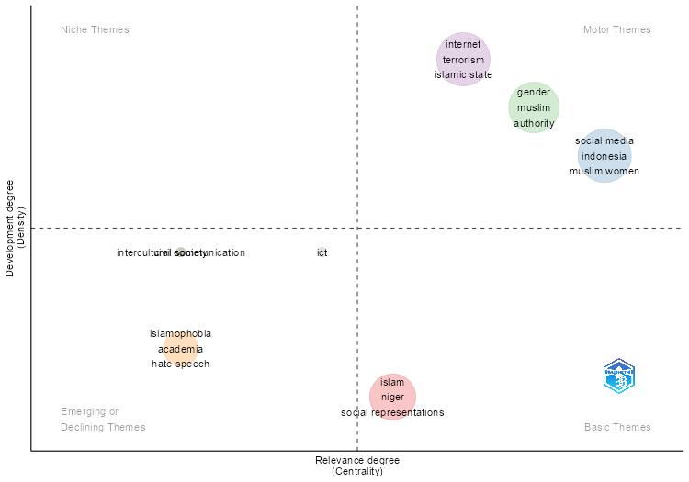
...
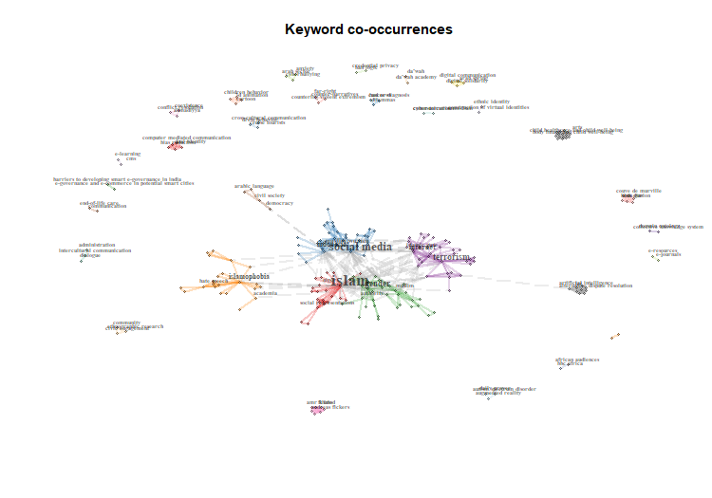
...
islamophobia | civil society | ict | Assigned_cluster | pagerank
0 | 0.77777777778 | 0 | civil society | 0.018358750171
0 | 1 | 0 | civil society | 0.0042907735576
0 | 0 | 0 | gender | 0.068553328113
0 | 0 | 0 | gender | 0.031056601529
0 | 0 | 0 | gender | 0.0063160501643
0 | 0 | 0 | gender | 0.032843564411
0 | 0 | 0 | gender | 0.014702994763
0 | 0 | 0 | gender | 0.049096548886
0 | 0 | 0 | gender | 0.054241450673
0 | 0 | 0 | gender | 0.10759836638
0 | 0 | 0 | gender | 0.010974894009
...

TE_Period_3
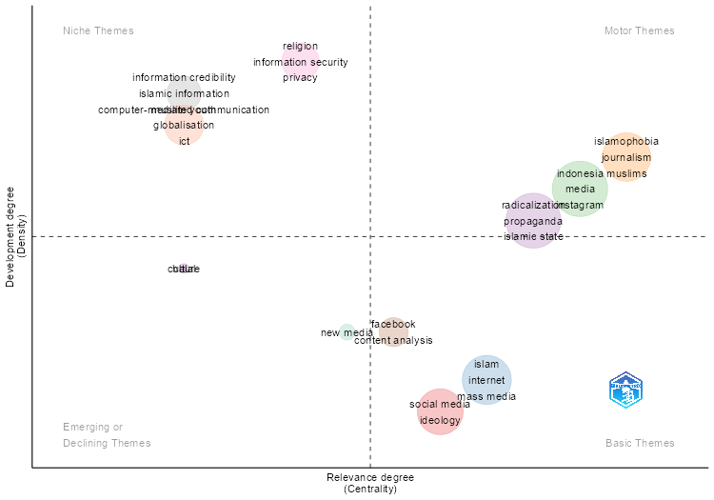
...
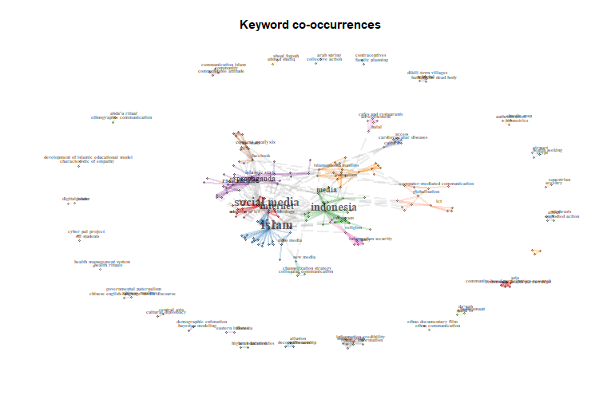
...

TE_Period_4
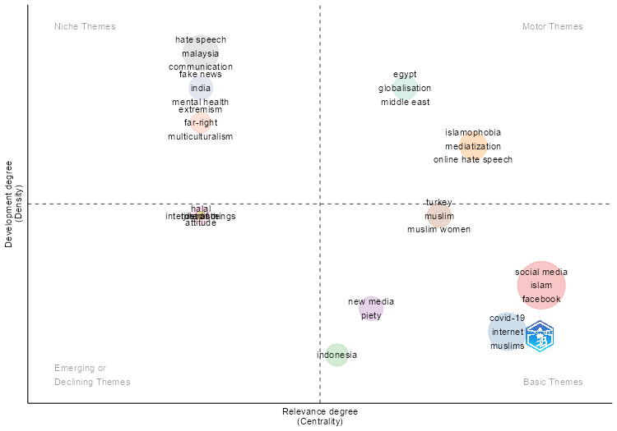
...
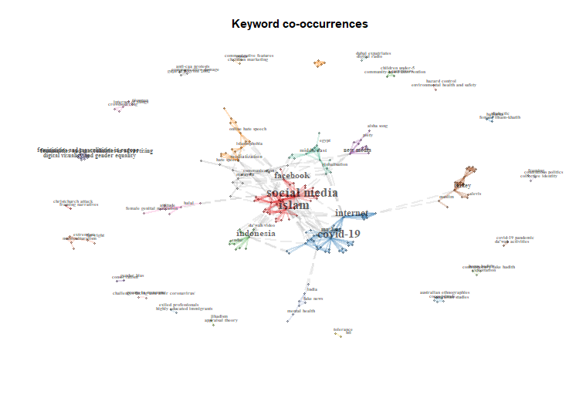
...
extremism | islamophobia | tolerance | Assigned_cluster | pagerank
0 | 0 | 0 | covid-19 | 0.027870552021
0 | 0 | 0 | covid-19 | 0.020965862247
...

TE_Period_5
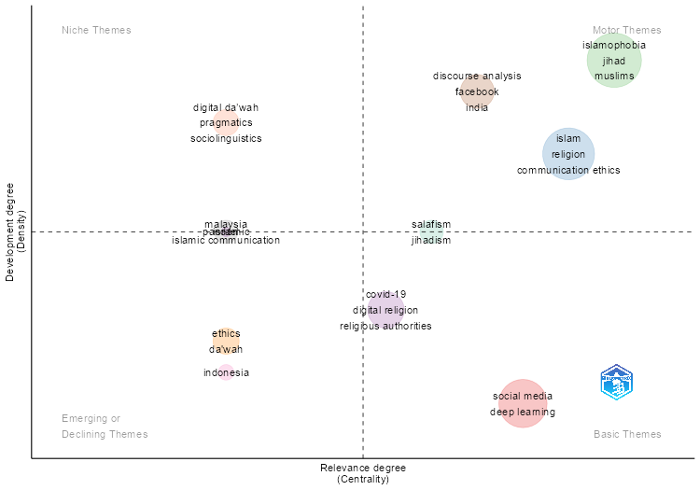
...
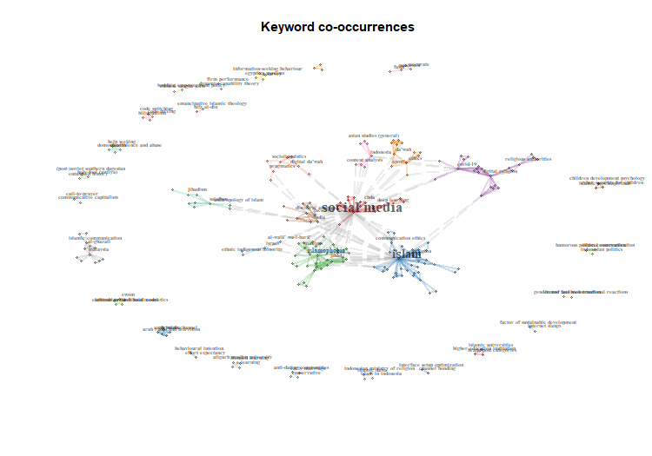
...
malaysia | indonesia | pandemic | Assigned_cluster | pagerank
0 | 0 | 0 | covid-19 | 0.056459831644
0 | 0 | 0 | covid-19 | 0.01105024425
0 | 0 | 0 | covid-19 | 0.015024688854
0 | 0 | 0 | covid-19 | 0.020580248985
0 | 0 | 0 | covid-19 | 0.0054946841188
0 | 0 | 0 | covid-19 | 0.014400522971
0 | 0 | 0 | digital da’wah | 0.0090637857336
0 | 0 | 0 | digital da’wah | 0.010977035482
0 | 0 | 0 | digital da’wah | 0.050043500174
0 | 0 | 0 | digital da’wah | 0.0096724770749
0 | 0 | 0 | discourse analysis | 0.053220613072
0 | 0 | 0 | discourse analysis | 0.0069518140436
...

ThematicMap
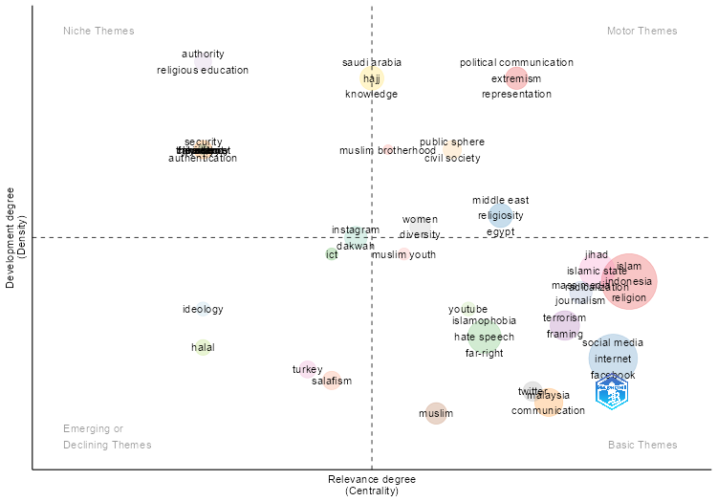
...
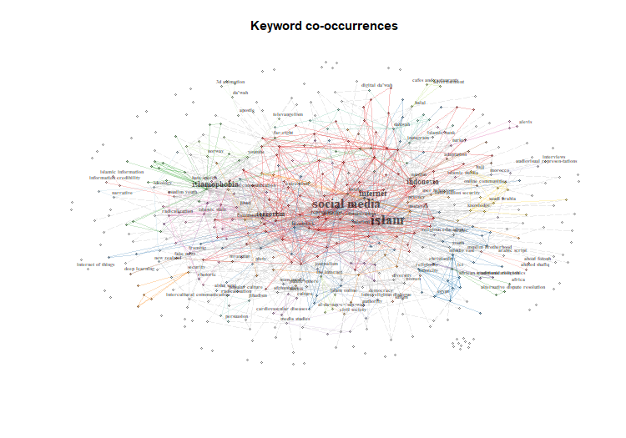
...

CoWordNet
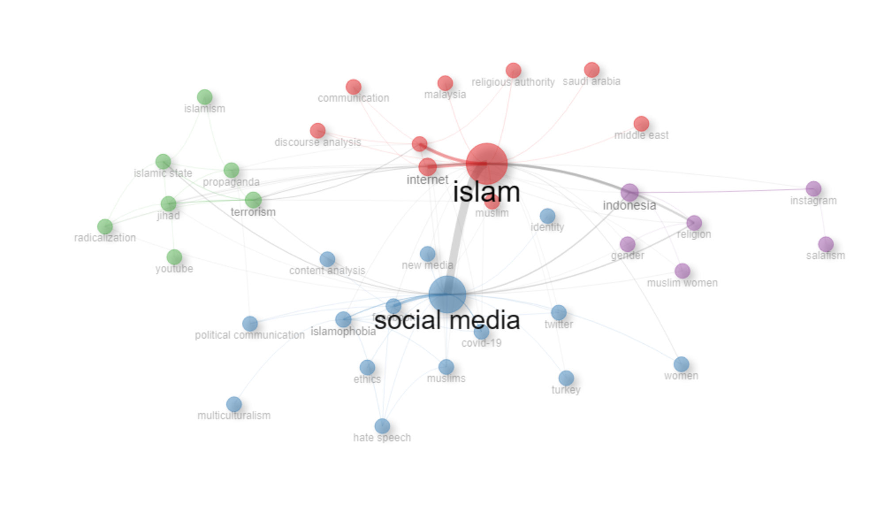
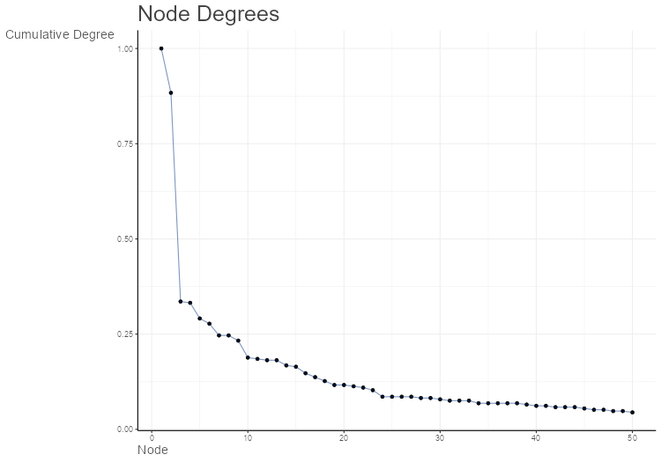
Node | Cluster | Betweenness | Closeness | PageRank
islam | 1 | 350.5122967 | 0.020833333333 | 0.17401877436
internet | 1 | 15.996601423 | 0.015151515152 | 0.047160884938
media | 1 | 5.4657531708 | 0.013698630137 | 0.044682062634
malaysia | 1 | 0 | 0.011904761905 | 0.0079450970212
muslim | 1 | 0.072727272727 | 0.012658227848 | 0.013310511824
communication | 1 | 0 | 0.012195121951 | 0.0092849709676
religious authority | 1 | 0 | 0.012048192771 | 0.010564390348
saudi arabia | 1 | 0 | 0.011904761905 | 0.0079450970212
discourse analysis | 1 | 0 | 0.012048192771 | 0.0092318141479
middle east | 1 | 0 | 0.011904761905 | 0.0066125208211
social media | 2 | 227.77845313 | 0.018867924528 | 0.13860823339
islamophobia | 2 | 39.245399428 | 0.014084507042 | 0.037683353152
facebook | 2 | 7.3327447656 | 0.013888888889 | 0.034497246388
covid-19 | 2 | 36 | 0.013513513514 | 0.022258314952
new media | 2 | 0 | 0.012987012987 | 0.010629009402
muslims | 2 | 1.5441782614 | 0.013698630137 | 0.019758469594
twitter | 2 | 0 | 0.013333333333 | 0.012340737035
hate speech | 2 | 0.10810810811 | 0.011904761905 | 0.017047079111
turkey | 2 | 0 | 0.012987012987 | 0.0092901798753
women | 2 | 0 | 0.012987012987 | 0.013294161802
identity | 2 | 0 | 0.011235955056 | 0.0066250274752
content analysis | 2 | 0 | 0.0090909090909 | 0.0073872898228
ethics | 2 | 0 | 0.011235955056 | 0.0079638570023
multiculturalism | 2 | 0 | 0.0093457943925 | 0.006997925581
political communication | 2 | 0.58818174488 | 0.012048192771 | 0.012262204165
terrorism | 3 | 8.9061648418 | 0.014705882353 | 0.048428810751
propaganda | 3 | 24.90084047 | 0.013888888889 | 0.031791945121
jihad | 3 | 37.30306303 | 0.014492753623 | 0.036873722981
islamic state | 3 | 16.326838205 | 0.012658227848 | 0.028498812329
radicalization | 3 | 0.41148580966 | 0.013888888889 | 0.018894751019
youtube | 3 | 0 | 0.0095238095238 | 0.0067967015605
islamism | 3 | 0 | 0.0098039215686 | 0.0096417921121
indonesia | 4 | 9.8568276123 | 0.013888888889 | 0.042701632205
religion | 4 | 0.61643772187 | 0.013513513514 | 0.033817261937
gender | 4 | 0 | 0.013157894737 | 0.013235908134
instagram | 4 | 36 | 0.0125 | 0.021065942018
muslim women | 4 | 0.033898305085 | 0.012195121951 | 0.013324928436
salafism | 4 | 0 | 0.0086206896552 | 0.0075285785641

CollabNet
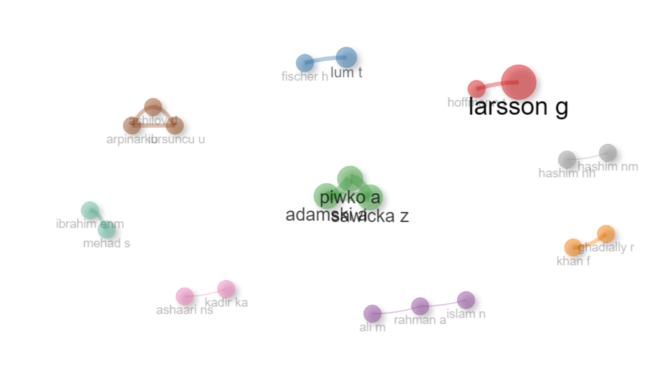
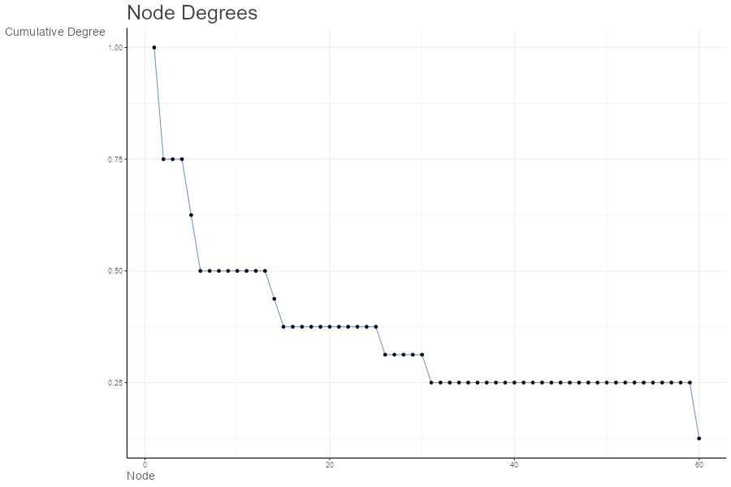
params | values
normalize | equivalence
Title | Author Collaboration network
type | auto
label | TRUE
labelsize | 2
label.cex | TRUE
label.color | FALSE
label.n | 60
halo | FALSE
cluster | edge_betweenness
community.repulsion | 0.05
size | 5
size.cex | TRUE
curved | FALSE
noloops | TRUE
remove.multiple | FALSE
remove.isolates | TRUE
edgesize | 15
edges.min | 1
alpha | 0.7
verbose | FALSE

Node | Cluster | Betweenness | Closeness | PageRank
larsson g | 1 | 0 | 1 | 0.047619047619
hoffmann t | 1 | 0 | 1 | 0.047619047619
lum t | 2 | 0 | 1 | 0.047619047619
fischer h | 2 | 0 | 1 | 0.047619047619
adamski a | 3 | 0 | 0.5 | 0.047619047619
piwko a | 3 | 0 | 0.5 | 0.047619047619
sawicka z | 3 | 0 | 0.5 | 0.047619047619
ali m | 4 | 0 | 0.33333333333 | 0.03667953668
rahman a | 4 | 1 | 0.5 | 0.069498069498
islam n | 4 | 0 | 0.33333333333 | 0.03667953668
khan f | 5 | 0 | 1 | 0.047619047619
ghadially r | 5 | 0 | 1 | 0.047619047619
achilov d | 6 | 0 | 0.5 | 0.047619047619
arpinar ib | 6 | 0 | 0.5 | 0.047619047619
kursuncu u | 6 | 0 | 0.5 | 0.047619047619
ashaari ns | 7 | 0 | 1 | 0.047619047619
kadir ka | 7 | 0 | 1 | 0.047619047619
hashim nh | 8 | 0 | 1 | 0.047619047619
hashim nm | 8 | 0 | 1 | 0.047619047619
ibrahim enm | 9 | 0 | 1 | 0.047619047619
mehad s | 9 | 0 | 1 | 0.047619047619

CollabWorldMap
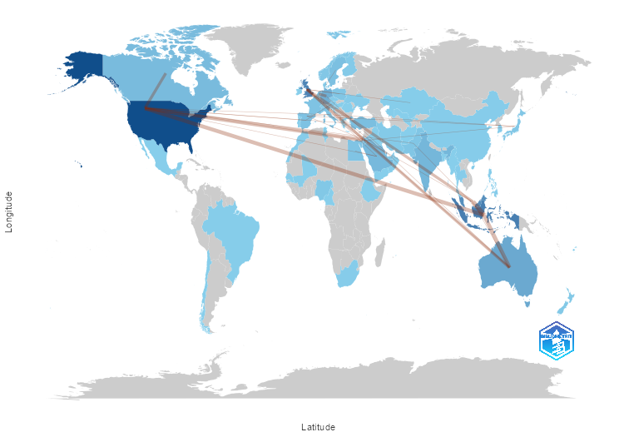
From | To | Frequency
AUSTRALIA | AUSTRIA | 1
AUSTRALIA | BRAZIL | 1
AUSTRALIA | CANADA | 1
AUSTRALIA | CHILE | 1
AUSTRALIA | FRANCE | 1
AUSTRALIA | GERMANY | 2
AUSTRALIA | IRAN | 1
AUSTRALIA | ITALY | 1
AUSTRALIA | JAPAN | 1
AUSTRALIA | JORDAN | 2
AUSTRALIA | MEXICO | 1
AUSTRALIA | MYANMAR | 1
AUSTRALIA | NEW ZEALAND | 1
AUSTRALIA | POLAND | 1
AUSTRALIA | QATAR | 1
AUSTRALIA | SAUDI ARABIA | 1
AUSTRALIA | SOUTH AFRICA | 1
AUSTRALIA | SPAIN | 1
AUSTRALIA | TUNISIA | 1
AUSTRALIA | TURKEY | 1
AUSTRIA | SLOVENIA | 1
BRAZIL | CHILE | 1
BRAZIL | MEXICO | 1
BRAZIL | SOUTH AFRICA | 1
CANADA | BRAZIL | 1
CANADA | CHILE | 1
CANADA | FRANCE | 1
CANADA | IRAN | 1
CANADA | ITALY | 1
CANADA | JAPAN | 1
CANADA | JORDAN | 1
CANADA | MEXICO | 1
CANADA | POLAND | 1
CANADA | QATAR | 1
CANADA | SOUTH AFRICA | 1
CANADA | TUNISIA | 1
CANADA | TURKEY | 1
CHILE | MEXICO | 1
EGYPT | UZBEKISTAN | 1
FINLAND | DENMARK | 1
FRANCE | BRAZIL | 1
FRANCE | CHILE | 1
FRANCE | IRAN | 1
...

AuthorProdOverTime
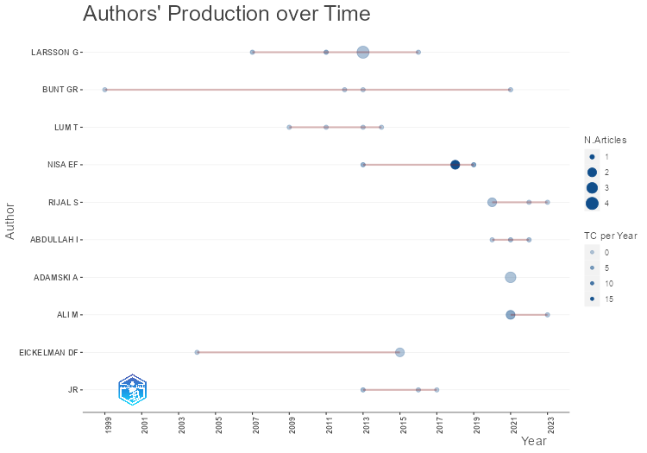
TI | SO | DOI | TC | TCpY
MUSLIMS AND THE NEW MEDIA: HISTORICAL AND CONTEMPORARY DEBATES | MUSLIMS AND THE NEW MEDIA: HISTORICAL AND CONTEMPORARY DEBATES | 10.4324/9781315597102 | 5 | 0.55555555556
MUSLIMS AND THE NEW INFORMATION AND COMMUNICATION TECHNOLOGIES: NOTES FROM AN EMERGING AND INFINITE FIELD - AN INTRODUCTION | MUSLIMS AND THE NEW INFORMATION AND COMMUNICATION TECHNOLOGIES: NOTES FROM AN EMERGING AND INFINITE FIELD | 10.1007/978-94-007-7247-2_1 | 7 | 0.58333333333
GEERT WILDERS AND THE ANTI-MUSLIM MOVIE FITNA | MUSLIMS AND THE NEW INFORMATION AND COMMUNICATION TECHNOLOGIES: NOTES FROM AN EMERGING AND INFINITE FIELD | 10.1007/978-94-007-7247-2_9 | 3 | 0.25
MUSLIMS AND THE NEW INFORMATION AND COMMUNICATION TECHNOLOGIES: NOTES FROM AN EMERGING AND INFINITE FIELD | MUSLIMS AND THE NEW INFORMATION AND COMMUNICATION TECHNOLOGIES: NOTES FROM AN EMERGING AND INFINITE FIELD | 10.1007/978-94-007-7247-2 | 3 | 0.25
MUSLIMS AND THE NEW MEDIA: HISTORICAL AND CONTEMPORARY DEBATES | MUSLIMS AND THE NEW MEDIA: HISTORICAL AND CONTEMPORARY DEBATES |  | 0 | 0
MUSLIMS AND THE NEW MEDIA: HISTORICAL AND CONTEMPORARY DEBATES | MUSLIMS AND THE NEW MEDIA: HISTORICAL AND CONTEMPORARY DEBATES |  | 44 | 3.1428571429
CYBER-ISLAMOPHOBIA? THE CASE OF WIKIISLAM | CONTEMPORARY ISLAM | 10.1007/s11562-007-0002-2 | 28 | 1.5555555556
DEFENDING TRADITIONAL ISLAM IN INDONESIA: THE RESURGENCE OF HADHRAMI PREACHERS | DEFENDING TRADITIONAL ISLAM IN INDONESIA: THE RESURGENCE OF HADHRAMI PREACHERS | 10.4324/9781003358558 | 0 | 0
CONSUMING AND DISPUTING AISHA SONG: THE QUEST FOR PLEASURE & ISLAMIC ROMANCE IN CONTEMPORARY INDONESIA | INDONESIAN JOURNAL OF ISLAM AND MUSLIM SOCIETIES | 10.18326/ijims.v12i1.1-29 | 0 | 0
THE QUR’AN AND THE INTERNET | THE ROUTLEDGE COMPANION TO THE QUR'AN | 10.4324/9781315885360-38 | 2 | 0.5
PERFORMING ARAB SAINTS AND MARKETING THE PROPHET: HABAIB AND ISLAMIC MARKETS IN CONTEMPORARY INDONESIA | ARCHIPEL | 10.4000/ARCHIPEL.1719 | 6 | 1.2
REVITALIZING HADHRAMI AUTHORITY: NEW NETWORKS, FIGURES AND INSTITUTIONS AMONG ḤABĀ’IB IN INDONESIA | STUDIA ISLAMIKA | 10.36712/sdi.v27i2.9382 | 1 | 0.2
MUSLIM WOMEN IN CONTEMPORARY INDONESIA: ONLINE CONFLICTING NARRATIVES BEHIND THE WOMEN ULAMA CONGRESS | ASIAN STUDIES REVIEW | 10.1080/10357823.2019.1632796 | 30 | 5
CREATIVE AND LUCRATIVE DAWA: THE VISUAL CULTURE OF INSTAGRAM AMONGST FEMALE MUSLIM YOUTH IN INDONESIA | ASIASCAPE: DIGITAL ASIA | 10.1163/22142312-12340085 | 69 | 9.8571428571
SOCIAL MEDIA AND THE BIRTH OF AN ISLAMIC SOCIAL MOVEMENT: ODOJ (ONE DAY ONE JUZ) IN CONTEMPORARY INDONESIA | INDONESIA AND THE MALAY WORLD | 10.1080/13639811.2017.1416758 | 40 | 5.7142857143
HUMAN RIGHTS IN CHINA AND U.S. POLICY: ISSUES FOR THE 113TH CONGRESS | HUMAN RIGHTS IN CHINA: SELECTED EXAMINATIONS |  | 0 | 0
THE INTERNET SUBCULTURE OF INDONESIAN FACE-VEILED WOMEN | INTERNATIONAL JOURNAL OF CULTURAL STUDIES | 10.1177/1367877912474534 | 36 | 3
#ISLAM, SOCIAL NETWORKING AND THE CLOUD | ISLAM IN THE MODERN WORLD | 10.4324/9780203736340-19 | 0 | 0
HUMAN RIGHTS IN CHINA AND U.S. POLICY: ISSUES FOR THE 113TH CONGRESS | HUMAN RIGHTS ISSUES IN THE PEOPLE'S REPUBLIC OF CHINA |  | 0 | 0
MEDITERRANEAN ISLAMIC EXPRESSION AND WEB 2.0 | ARAB SOCIETY IN REVOLT: THE WEST'S MEDITERRANEAN CHALLENGE |  | 4 | 0.30769230769
HUMAN RIGHTS IN CHINA: TRENDS AND POLICY IMPLICATIONS? | ASIAN ECONOMIC AND POLITICAL ISSUES |  | 0 | 0
HUMAN RIGHTS IN CHINA: TRENDS AND POLICY IMPLICATIONS | HUMAN RIGHTS IN CHINA |  | 1 | 0.0625
ISLAM@BRITAIN.NET: ‘BRITISH MUSLIM’ IDENTITIES IN CYBERSPACE | INTERNATIONAL JOURNAL OF PHYTOREMEDIATION | 10.1080/09596419908721192 | 1 | 0.038461538462
THE SYNERGY OF ISLAMIC BANKS AND MUSLIM-FRIENDLY TOURISM: PATTERNS OF HALAL INDUSTRY DEVELOPMENT IN INDONESIA | INTERNATIONAL JOURNAL OF SUSTAINABLE DEVELOPMENT AND PLANNING | 10.18280/ijsdp.180911 | 1 | 0.5
ISLAMIC MOVEMENTS IN INDONESIA: A CRITICAL STUDY OF HIZBUT TAHRIR INDONESIA AND JARINGAN ISLAM LIBERAL | JOURNAL OF AL-TAMADDUN | 10.22452/JAT.vol17no2.6 | 4 | 1.3333333333
THE UNDERSTANDING OF ISLAMIC MODERATION (WASAṬIYYAH AL-ISLAM) AND THE HADITHS ON INTER-RELIGIOUS RELATIONS IN THE JAVANESE PESANTRENS | INDONESIAN JOURNAL OF ISLAM AND MUSLIM SOCIETIES | 10.18326/ijims.v11i2.377-401 | 12 | 3
THE SUPERFICIAL RELIGIOUS UNDERSTANDING IN HADITH MEMES: MEDIATIZATION OF HADITH IN THE INDUSTRIAL REVOLUTION 4.0 | JOURNAL FOR THE STUDY OF RELIGIONS AND IDEOLOGIES |  | 7 | 1.75
BRITISH MUSLIMS CAUGHT AMIDST FOGS—A DISCOURSE ANALYSIS OF RELIGIOUS ADVICE AND AUTHORITY | RELIGIONS | 10.3390/rel12020140 | 5 | 1.25
TERRORISM, POLITICS, RELIGION CHALLENGES FOR NEWS MEDIA IN THE MIDDLE EAST | EUROPEAN JOURNAL OF SCIENCE AND THEOLOGY |  | 2 | 0.5
OPINION-FORMING TV STATIONS IN THE MIDDLE EAST POLITICAL AND RELIGIOUS ASPECTS | EUROPEAN JOURNAL OF SCIENCE AND THEOLOGY |  | 1 | 0.25
ISLAMIC DOCTRINE ON MASS MEDIA: FROM THEOLOGICAL ASSUMPTIONS TO THE PRACTICAL ETHICS OF THE MEDIA | JOURNAL FOR THE STUDY OF RELIGIONS AND IDEOLOGIES |  | 0 | 0
MEDIA REPRESENTATIONS OF GENDER: THE MARGINALIZATION OF FEMALE MUSLIM SCHOLARS IN INDONESIA | JOURNAL OF CRITICAL REVIEWS | 10.31838/jcr.07.05.44 | 1 | 0.2
LANGUAGE, SYMBOLS, AND THE MEDIA: COMMUNICATION IN THE AFTERMATH OF THE WORLD TRADE CENTER ATTACK | LANGUAGE, SYMBOLS, AND THE MEDIA: COMMUNICATION IN THE AFTERMATH OF THE WORLD TRADE CENTER ATTACK | 10.4324/9780203787601 | 0 | 0
COUNTER-NARRATIVE: HOW PROGRESSIVE ACADEMICS CAN CHALLENGE EXTREMISTS AND PROMOTE SOCIAL JUSTICE | COUNTER-NARRATIVE: HOW PROGRESSIVE ACADEMICS CAN CHALLENGE EXTREMISTS AND PROMOTE SOCIAL JUSTICE | 10.4324/9781315431499 | 6 | 0.66666666667
WHO GETS THE PAST? THE CHANGING FACE OF ISLAMIC AUTHORITY AND RELIGIOUS KNOWLEDGE | KNOWLEDGE AND SPACE | 10.1007/978-94-017-9960-7_6 | 5 | 0.5
NEAR MIDDLE EAST/NORTH AFRICA STUDIES: RELIGION | INTERNATIONAL ENCYCLOPEDIA OF THE SOCIAL & BEHAVIORAL SCIENCES: SECOND EDITION | 10.1016/B978-0-08-097086-8.10150-3 | 0 | 0
THE HANDBOOK OF COMMUNICATION HISTORY | THE HANDBOOK OF COMMUNICATION HISTORY | 10.4324/9780203149119 | 24 | 2
THE MIDDLE EAST’S DEMOCRACY DEFICIT AND THE EXPANDING PUBLIC SPHERE | MEDIA, WAR AND TERRORISM: RESPONSES FROM THE MIDDLE EAST AND ASIA | 10.4324/9780203392508-8 | 0 | 0

MostRelAffiliations
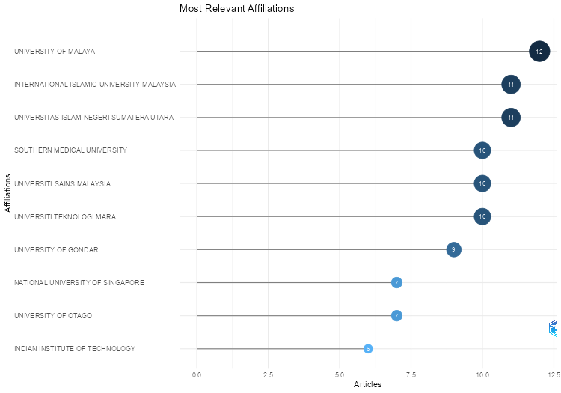
Affiliation | Articles
UNIVERSITY OF MALAYA | 12
INTERNATIONAL ISLAMIC UNIVERSITY MALAYSIA | 11
UNIVERSITAS ISLAM NEGERI SUMATERA UTARA | 11
SOUTHERN MEDICAL UNIVERSITY | 10
UNIVERSITI SAINS MALAYSIA | 10
UNIVERSITI TEKNOLOGI MARA | 10
UNIVERSITY OF GONDAR | 9
NATIONAL UNIVERSITY OF SINGAPORE | 7
UNIVERSITY OF OTAGO | 7
INDIAN INSTITUTE OF TECHNOLOGY | 6
OKAYAMA UNIVERSITY | 6
THE UNIVERSITY OF SYDNEY | 6
THE UNIVERSITY OF TEXAS AT AUSTIN | 6
BINA NUSANTARA UNIVERSITY | 5
BOSTON UNIVERSITY SCHOOL OF PUBLIC HEALTH | 5
GRIFFITH UNIVERSITY | 5
INSTITUT AGAMA ISLAM NEGERI KUDUS | 5
JOUF UNIVERSITY | 5
MULTIMEDIA UNIVERSITY | 5
NOTREPORTED | 5
RADBOUD UNIVERSITY MEDICAL CENTER | 5
SEBELAS MARET UNIVERSITY | 5
STATE ISLAMIC INSTITUTE | 5
THE UNIVERSITY OF JORDAN | 5
UNIVERSIDADE DE SÃO PAULO | 5
UNIVERSITAS ISLAM NEGERI SYARIF HIDAYATULLAH JAKARTA | 5
WESTERN SYDNEY UNIVERSITY | 5
WESTERN UNIVERSITY | 5
ISTANBUL UNIVERSITY-CERRAHPASA | 4
KING ABDULAZIZ UNIVERSITY | 4
LANCASTER UNIVERSITY | 4
NANYANG TECHNOLOGICAL UNIVERSITY | 4
SULTAN MOULAY SLIMANE UNIVERSITY | 4
UNIVERSITAS ISLAM NEGERI IMAM BONJOL PADANG | 4
UNIVERSITAS SUMATERA UTARA | 4
UNIVERSITI SULTAN ZAINAL ABIDIN | 4
UNIVERSITI UTARA MALAYSIA | 4
UNIVERSITY COLLEGE LONDON | 4
UNIVERSITY OF HELSINKI | 4
UNIVERSITY OF INDONESIA | 4
UNIVERSITY OF INFORMATION TECHNOLOGY AND MANAGEMENT IN RZESZOW | 4
UNIVERSITY OF SFAX | 4
UNIVERSITY OF SYDNEY | 4
...

TrendTopics
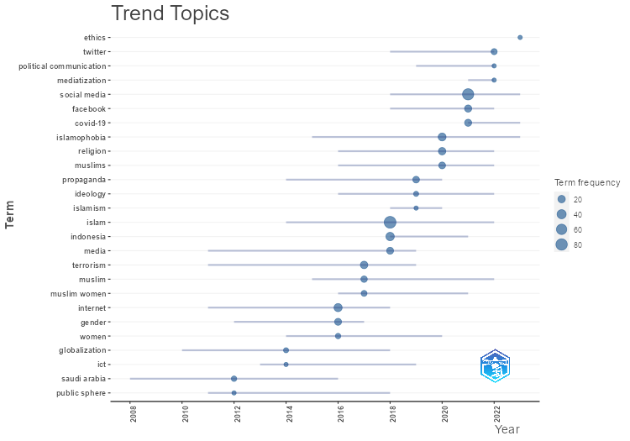
item | freq | year_q1 | year_med | year_q3
saudi arabia | 7 | 2008 | 2012 | 2016
public sphere | 5 | 2011 | 2012 | 2018
globalization | 6 | 2010 | 2014 | 2018
ict | 5 | 2013 | 2014 | 2019
internet | 28 | 2011 | 2016 | 2018
gender | 16 | 2012 | 2016 | 2017
women | 7 | 2014 | 2016 | 2020
terrorism | 21 | 2011 | 2017 | 2019
muslim | 12 | 2015 | 2017 | 2022
muslim women | 9 | 2016 | 2017 | 2021
islam | 89 | 2014 | 2018 | 2022
indonesia | 30 | 2018 | 2018 | 2021
media | 16 | 2011 | 2018 | 2019
propaganda | 14 | 2014 | 2019 | 2020
ideology | 6 | 2016 | 2019 | 2022
islamism | 5 | 2018 | 2019 | 2020
islamophobia | 25 | 2015 | 2020 | 2023
religion | 20 | 2016 | 2020 | 2022
muslims | 15 | 2016 | 2020 | 2022
social media | 77 | 2018 | 2021 | 2023
facebook | 18 | 2018 | 2021 | 2022
covid-19 | 17 | 2021 | 2021 | 2023
twitter | 10 | 2018 | 2022 | 2022
mediatization | 5 | 2021 | 2022 | 2022
political communication | 5 | 2019 | 2022 | 2022
ethics | 5 | 2023 | 2023 | 2023

MostRelSources
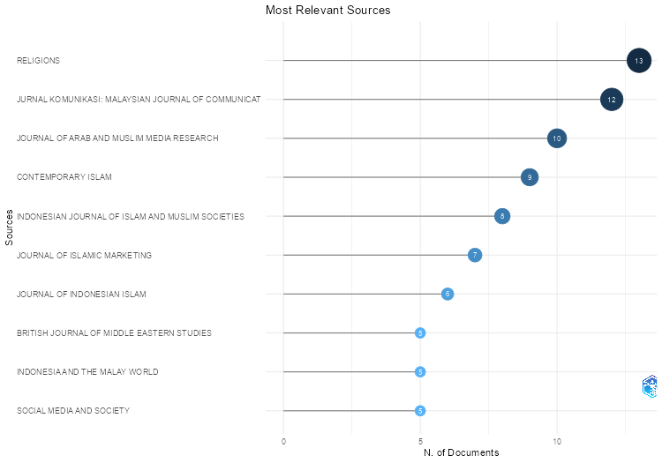
Sources | Articles
RELIGIONS | 13
JURNAL KOMUNIKASI: MALAYSIAN JOURNAL OF COMMUNICATION | 12
JOURNAL OF ARAB AND MUSLIM MEDIA RESEARCH | 10
CONTEMPORARY ISLAM | 9
INDONESIAN JOURNAL OF ISLAM AND MUSLIM SOCIETIES | 8
JOURNAL OF ISLAMIC MARKETING | 7
JOURNAL OF INDONESIAN ISLAM | 6
BRITISH JOURNAL OF MIDDLE EASTERN STUDIES | 5
INDONESIA AND THE MALAY WORLD | 5
SOCIAL MEDIA AND SOCIETY | 5
STUDIES IN CONFLICT AND TERRORISM | 5
THE HANDBOOK ON RELIGION AND COMMUNICATION | 5
2013 5TH INTERNATIONAL CONFERENCE ON INFORMATION AND COMMUNICATION TECHNOLOGY FOR THE MUSLIM WORLD, ICT4M 2013 | 4
DIRASAT: HUMAN AND SOCIAL SCIENCES | 4
INFORMATION COMMUNICATION AND SOCIETY | 4
INTELLECTUAL DISCOURSE | 4
INTERNATIONAL COMMUNICATION GAZETTE | 4
JOURNAL FOR THE STUDY OF RELIGIONS AND IDEOLOGIES | 4
JOURNAL OF RELIGIOUS AND THEOLOGICAL INFORMATION | 4
MEDIA, CULTURE AND SOCIETY | 4
MUSLIMS AND THE NEW INFORMATION AND COMMUNICATION TECHNOLOGIES: NOTES FROM AN EMERGING AND INFINITE FIELD | 4
ACM INTERNATIONAL CONFERENCE PROCEEDING SERIES | 3
AMERICAN ETHNOLOGIST | 3
ASIASCAPE: DIGITAL ASIA | 3
INTEGRATION (TOKYO, JAPAN) | 3
INTERNATIONAL JOURNAL OF INTERDISCIPLINARY SOCIAL SCIENCES | 3
INTERNATIONAL JOURNAL OF MIDDLE EAST STUDIES | 3
JOURNAL OF AL-TAMADDUN | 3
JOURNAL OF MUSLIMS IN EUROPE | 3
JOURNAL OF NORTH AFRICAN STUDIES | 3
MUSLIMS AND THE NEW MEDIA: HISTORICAL AND CONTEMPORARY DEBATES | 3
PHAROS JOURNAL OF THEOLOGY | 3
PROCEEDINGS - 2013 TAIBAH UNIVERSITY INTERNATIONAL CONFERENCE ON ADVANCES IN INFORMATION TECHNOLOGY FOR THE HOLY QURAN AND ITS SCIENCES, NOORIC 2013 | 3
STUDIA ISLAMIKA | 3
2014 THE 5TH INTERNATIONAL CONFERENCE ON INFORMATION AND COMMUNICATION TECHNOLOGY FOR THE MUSLIM WORLD, ICT4M 2014 | 2
ADVANCES IN INTELLIGENT SYSTEMS AND COMPUTING | 2
AL-JAMI'AH | 2
AL-SHAJARAH | 2
ANNALES MEDICO-PSYCHOLOGIQUES | 2
ARAB SOCIETY IN REVOLT: THE WEST'S MEDITERRANEAN CHALLENGE | 2
ASIAN JOURNAL OF COMMUNICATION | 2
ASIAN STUDIES REVIEW | 2
BMC PUBLIC HEALTH | 2
...

MostLocCitDocs
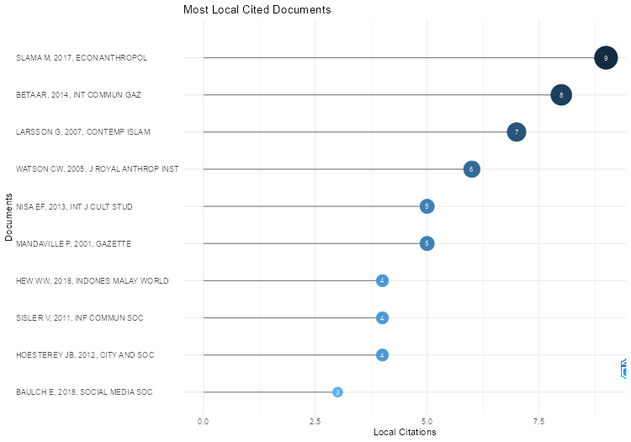
Local.Citations | Global.Citations | Ratio | Normalized.Local.Citations | Normalized.Global.Citations
9 | 45 | 20 | 28.285714286 | 3.0229007634
8 | 49 | 16.326530612 | 18.461538462 | 3.3409090909
7 | 28 | 25 | 8.75 | 0.82191780822
6 | 48 | 12.5 | 3.4285714286 | 1.6695652174
5 | 36 | 13.888888889 | 20.555555556 | 2.993258427
5 | 88 | 5.6818181818 | 3 | 1.5348837209
4 | 50 | 8 | 10.434782609 | 5.5248618785
4 | 29 | 13.793103448 | 17.333333333 | 2.5472972973
4 | 34 | 11.764705882 | 21.6 | 1.8620689655
3 | 31 | 9.6774193548 | 7.8260869565 | 3.4254143646
3 | 38 | 7.8947368421 | 7.8260869565 | 4.1988950276
3 | 20 | 15 | 7.8260869565 | 2.2099447514
3 | 20 | 15 | 16.2 | 0.62140391254
3 | 16 | 18.75 | 7.8260869565 | 1.7679558011
2 | 148 | 1.3513513514 | 14.8 | 10.6953125
2 | 40 | 5 | 5.2173913043 | 4.4198895028
2 | 81 | 2.4691358025 | 2.5 | 2.3776908023
2 | 35 | 5.7142857143 | 8.2222222222 | 2.9101123596
2 | 21 | 9.5238095238 | 10 | 1.8961625282
2 | 12 | 16.666666667 | 8.5 | 0.33830845771
2 | 14 | 14.285714286 | 50.666666667 | 5.6898395722
2 | 7 | 28.571428571 | 10 | 0.63205417607
2 | 3 | 66.666666667 | 5.2173913043 | 0.33149171271
1 | 50 | 2 | 4.25 | 1.4096185738
1 | 59 | 1.6949152542 | 0.57142857143 | 2.052173913
1 | 35 | 2.8571428571 | 18 | 3.7951807229
1 | 112 | 0.89285714286 | 6 | 3.8181818182
1 | 42 | 2.380952381 | 4 | 1.8666666667
1 | 92 | 1.0869565217 | 7.4 | 6.6484375
1 | 105 | 0.95238095238 | 5 | 9.4808126411
1 | 53 | 1.8867924528 | 3.1428571429 | 3.5603053435
1 | 32 | 3.125 | 1.25 | 0.93933463796
1 | 66 | 1.5151515152 | 4.25 | 1.8606965174
1 | 60 | 1.6666666667 | 4.3333333333 | 5.2702702703
1 | 31 | 3.2258064516 | 12.166666667 | 6.9630769231
1 | 75 | 1.3333333333 | 1.25 | 2.2015655577
1 | 163 | 0.61349693252 | 1.25 | 4.7847358121
1 | 22 | 4.5454545455 | 4.3333333333 | 1.9324324324
1 | 81 | 1.2345679012 | 3.1428571429 | 5.441221374
1 | 32 | 3.125 | 3.1428571429 | 2.1496183206
1 | 28 | 3.5714285714 | 2.3076923077 | 1.9090909091
1 | 9 | 11.111111111 | 5.4 | 0.27963176064
1 | 12 | 8.3333333333 | 3.1428571429 | 0.80610687023
...

MostGlobCitDocs
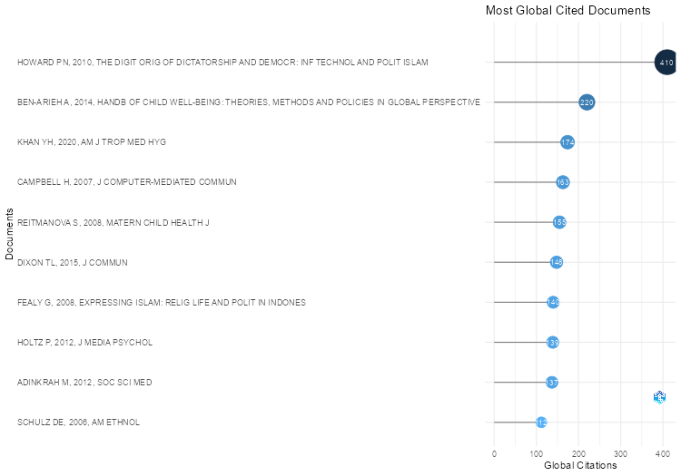
Paper | DOI | Total Citations | TC per Year | Normalized TC
HOWARD PN, 2010, THE DIGIT ORIG OF DICTATORSHIP AND DEMOCR: INF TECHNOL AND POLIT ISLAM | 10.1093/acprof:oso/9780199736416.001.0001 | 410 | 27.333333333 | 12.738780207
BEN-ARIEH A, 2014, HANDB OF CHILD WELL-BEING: THEORIES, METHODS AND POLICIES IN GLOBAL PERSPECTIVE | 10.1007/978-90-481-9063-8 | 220 | 20 | 15
KHAN YH, 2020, AM J TROP MED HYG | 10.4269/ajtmh.20-0654 | 174 | 34.8 | 20.811764706
CAMPBELL H, 2007, J COMPUTER-MEDIATED COMMUN | 10.1111/j.1083-6101.2007.00362.x | 163 | 9.0555555556 | 4.7847358121
REITMANOVA S, 2008, MATERN CHILD HEALTH J | 10.1007/s10995-007-0213-4 | 155 | 9.1176470588 | 4.3698175788
DIXON TL, 2015, J COMMUN | 10.1111/jcom.12133 | 148 | 14.8 | 10.6953125
FEALY G, 2008, EXPRESSING ISLAM: RELIG LIFE AND POLIT IN INDONES |  | 140 | 8.2352941176 | 3.9469320066
HOLTZ P, 2012, J MEDIA PSYCHOL | 10.1027/1864-1105/a000062 | 139 | 10.692307692 | 7.6125760649
ADINKRAH M, 2012, SOC SCI MED | 10.1016/j.socscimed.2010.10.011 | 137 | 10.538461538 | 7.5030425963
SCHULZ DE, 2006, AM ETHNOL | 10.1525/ae.2006.33.2.210 | 112 | 5.8947368421 | 3.8181818182
ABOKHODAIR N, 2016, DIS - PROC ACM CONF DES INTERACT SYST: FUSE | 10.1145/2901790.2901873 | 105 | 11.666666667 | 9.4808126411
EKMAN M, 2015, ETHN RACIAL STUD | 10.1080/01419870.2015.1021264 | 92 | 9.2 | 6.6484375
BULKELEY K, 2008, DREAMING IN THE WORLDS RELIG: A COMP HIST |  | 92 | 5.4117647059 | 2.5936981758
WEEKS B, 2010, MASS COMMUN SOC | 10.1080/15205430903470532 | 90 | 6 | 2.7963176064
MANDAVILLE P, 2001, GAZETTE | 10.1177/0016549201063002005 | 88 | 3.6666666667 | 1.5348837209
GAFFNEY PD, 2023, THE PROPHET'S PULPIT: ISLAMIC PREACH IN CONTEMPORARY EGYPT |  | 87 | 43.5 | 44.888297872
TARLO E, 2013, ISLAMIC FASHION AND ANTI-FASHION: NEW PERSPECTIVES FROM EUROPE AND NORTH AMERICA |  | 85 | 7.0833333333 | 7.0674157303
BENIGNI MC, 2017, PLOS ONE | 10.1371/journal.pone.0181405 | 85 | 10.625 | 5.7099236641
ALTHEIDE DL, 2007, DISCOURSE COMMUN | 10.1177/1750481307079207 | 81 | 4.5 | 2.3776908023
MAHOOD S, 2017, J INT COMMUN | 10.1080/13216597.2016.1263231 | 81 | 10.125 | 5.441221374
HASHIM NH, 2007, J COMPUTER-MEDIATED COMMUN | 10.1111/j.1083-6101.2007.00364.x | 75 | 4.1666666667 | 2.2015655577
BELSTI Y, 2021, J MULTIDISCIPHEALTHC | 10.2147/JMDH.S312637 | 73 | 18.25 | 16.396923077
FIKREE FF, 2001, INT FAM PLANN PERSPECT | 10.2307/2673834 | 70 | 2.9166666667 | 1.2209302326
NISA EF, 2018, ASIASCAPE DIGITAL ASIA | 10.1163/22142312-12340085 | 69 | 9.8571428571 | 7.6243093923
KHIABANY G, 2008, RACE CL | 10.1177/0306396808096394 | 66 | 3.8823529412 | 1.8606965174
SCHULZ DE, 2003, J RELIG AFR | 10.1163/15700660360703123 | 65 | 2.9545454545 | 3.786407767
BAYAT A, 2010, BEING YOUNG AND MUSLIM: NEW CULT POLIT IN THE GLOB SOUTH AND NORTH | 10.1093/acprof:oso/9780195369212.001.0001 | 64 | 4.2666666667 | 1.9884925201
MOUSSEAU M, 2011, J PEACE RES | 10.1177/0022343310391724 | 60 | 4.2857142857 | 5.2702702703
PARADISE TR, 2005, ENVIRON HAZARDS | 10.1016/j.hazards.2006.06.002 | 59 | 2.95 | 2.052173913
BADAWY A, 2019, SOC NETW ANALYSIS MIN | 10.1007/s13278-019-0578-6 | 58 | 9.6666666667 | 6.2891566265
BARLOW C, 2016, SOCIAL MEDIA SOC | 10.1177/2056305116678896 | 54 | 6 | 4.8758465011
RUDNER M, 2017, STUD CONFL TERRORISM | 10.1080/1057610X.2016.1157403 | 53 | 6.625 | 3.5603053435
WHINE M, 1999, STUD CONFL TERRORISM | 10.1080/105761099265748 | 53 | 2.0384615385 | 1.962962963
SAUNDERS RA, 2008, NATIONS NATL | 10.1111/j.1469-8129.2008.00322.x | 50 | 2.9411764706 | 1.4096185738
HEW WW, 2018, INDONES MALAY WORLD | 10.1080/13639811.2018.1416757 | 50 | 7.1428571429 | 5.5248618785
ASONGU SA, 2019, SOC INDIC RES | 10.1007/s11205-018-2009-x | 50 | 8.3333333333 | 5.421686747
BETA AR, 2014, INT COMMUN GAZ | 10.1177/1748048514524103 | 49 | 4.4545454545 | 3.3409090909
WATSON CW, 2005, J ROYAL ANTHROP INST | 10.1111/j.1467-9655.2005.00261.x | 48 | 2.4 | 1.6695652174
WOODS J, 2011, CRIT STUD TERRORISM | 10.1080/17539153.2011.586205 | 45 | 3.2142857143 | 3.9527027027
SLAMA M, 2017, ECON ANTHROPOL | 10.1002/sea2.12075 | 45 | 5.625 | 3.0229007634
LARSSON G, 2011, MUSLIMS AND THE NEW MEDIA: HISTORICAL AND CONTEMPORARY DEBATES |  | 44 | 3.1428571429 | 3.8648648649
MILLS K, 2002, GLOBAL SOC | 10.1080/09537320120111915 | 42 | 1.8260869565 | 1.8666666667
NIELSEN RA, 2017, DEADLY CLERICS: BLOCKED AMBITION AND THE PATHS TO JIHAD | 10.1017/9781108241700 | 42 | 5.25 | 2.8213740458
...

MostLocCitRefs
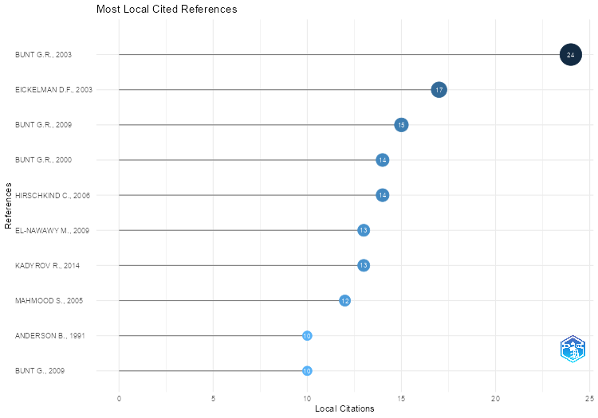
Cited References | Citations
BUNT G.R., ISLAM IN THE DIGITAL AGE: E-JIHAD, ONLINE FATWAS AND CYBER ISLAMIC ENVIRONMENTS, (2003) | 24
EICKELMAN D.F., ANDERSON J.W., NEW MEDIA IN THE MUSLIM WORLD: THE EMERGING PUBLIC SPHERE, (2003) | 17
BUNT G.R., IMUSLIMS: REWIRING THE HOUSE OF ISLAM, (2009) | 15
BUNT G.R., VIRTUALLY ISLAMIC: COMPUTER-MEDIATED COMMUNICATION AND CYBER ISLAMIC ENVIRONMENTS, (2000) | 14
HIRSCHKIND C., THE ETHICAL SOUNDSCAPE: CASSETTE SERMONS AND ISLAMIC COUNTERPUBLICS, (2006) | 14
EL-NAWAWY M., KHAMIS S., ISLAM DOT COM: CONTEMPORARY ISLAMIC DISCOURSES IN CYBERSPACE, (2009) | 13
KADYROV R., (2014) | 13
MAHMOOD S., POLITICS OF PIETY: THE ISLAMIC REVIVAL AND THE FEMINIST SUBJECT, (2005) | 12
ANDERSON B., IMAGINED COMMUNITIES: REFLECTIONS ON THE ORIGIN AND SPREAD OF NATIONALISM, (1991) | 10
BUNT G., IMUSLIMS: REWIRING THE HOUSE OF ISLAM, (2009) | 10
MANDAVILLE P., GLOBAL POLITICAL ISLAM, (2007) | 10
PROFILE, TWITTER, (2020) | 10
GIDDENS A., THE CONSEQUENCES OF MODERNITY, (1990) | 9
MANDAVILLE P., TRANSNATIONAL MUSLIM POLITICS: REIMAGINING THE UMMA, (2001) | 9
ROY O., GLOBALIZED ISLAM: THE SEARCH FOR A NEW UMMAH, (2004) | 9
ALLPORT G.W., THE NATURE OF PREJUDICE, (1954) | 8
ASAD T., FORMATIONS OF THE SECULAR: CHRISTIANITY, ISLAM, MODERNITY, (2003) | 8
GOLE N., ISLAM IN PUBLIC: NEW VISIBILITIES AND NEW IMAGINARIES, PUBLIC CULTURE, 14, 1, PP. 173-190, (2002) | 8
ROY O., THE FAILURE OF POLITICAL ISLAM, (1994) | 8
SAID E., ORIENTALISM, (1978) | 8
TAKEYH, IRAN, ISRAEL AND THE POLITICS OF TERRORISM | 8
THE ROOT OF THIS WORD MEANS 'IMAGE'. THIS PARTICULAR FORM IMPLIES BOTH 'TO IMAGINE' AND 'TO CONCEIVE, THE ETHICAL SOUNDSCAPE | 8
ARIF R., HOW TERRORISM KILLED THE NEWS: PAKISTANI JOURNALISM AFTER 9/11, (2010) | 7
EICKELMAN D.F., PISCATORI J., MUSLIM POLITICS, (1996) | 7
FAIRCLOUGH N., MEDIA DISCOURSE, (1995) | 7
RAMADAN T., WESTERN MUSLIMS AND THE FUTURE OF ISLAM, (2004) | 7
ROY O., GLOBALISED ISLAM: THE SEARCH FOR A NEW UMMAH, (2004) | 7
SAGEMAN M., UNDERSTANDING TERROR NETWORKS, (2004) | 7
TISHKOV V., CHECHNYA: LIFE IN A WAR-TORN SOCIETY | 7
BAKER P., GABRIELATOS C., MCENERY T., DISCOURSE ANALYSIS AND MEDIA ATTITUDES: THE REPRESENTATION OF ISLAM IN THE BRITISH PRESS, (2013) | 6
BUNT G.R., HASHTAG ISLAM: HOW CYBER-ISLAMIC ENVIRONMENTS ARE TRANSFORMING RELIGIOUS AUTHORITY, (2018) | 6
CAMPBELL H., WHEN RELIGION MEETS NEW MEDIA, (2010) | 6
CAMPBELL H.A., WHEN RELIGION MEETS NEW MEDIA, (2010) | 6
EICKELMAN D.F., MASS HIGHER EDUCATION AND THE RELIGIOUS IMAGINATION IN CONTEMPORARY ARAB SOCIETIES, AMERICAN ETHNOLOGIST, 19, 4, PP. 643-655, (1992) | 6
FEALY G., WHITE S., EXPRESSING ISLAM: RELIGIOUS LIFE AND POLITICS IN INDONESIA, (2008) | 6
HOESTEREY J.B., REBRANDING ISLAM: PIETY, PROSPERITY, AND A SELF-HELP GURU, (2016) | 6
JASPAL, ANTI-SEMITISM AND ANTI-ZIONISM IN IRAN | 6
JASPAL, ANTISEMITISM AND ANTI-ZIONISM | 6
LOHMANN S., THE DYNAMICS OF INFORMATIONAL CASCADES: THE MONDAY DEMONSTRATIONS IN LEIPZIG, EAST GERMANY, 1989-91, WORLD POLITICS, 47, 1, PP. 42-101, (1994) | 6
SAEED A., MEDIA, RACISM AND ISLAMOPHOBIA: THE REPRESENTATION OF ISLAM AND MUSLIMS IN THE MEDIA, SOCIOLOGY COMPASS, 1, 2, PP. 443-462, (2007) | 6
SAID E.W., ORIENTALISM, (1979) | 6
UDUGOV, VOINA | 6
WEIMANN G., TERROR ON THE INTERNET: THE NEW ARENA, THE NEW CHALLENGES, (2006) | 6
...

FactorialAnalysis
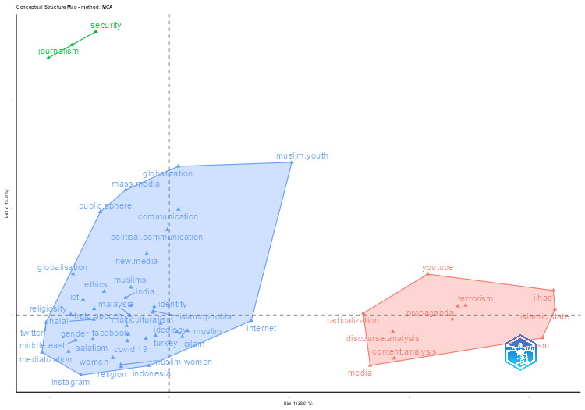
values
DE
1
MCA
5
3
8
FALSE
5
5
FALSE

Dim.1 | Dim.2 | cluster
0.11 | -0.4 | 1
-0.12 | -0.38 | 1
-0.17 | -0.94 | 1
0.68 | -0.11 | 1
-0.13 | 0.08 | 1
2.47 | 0.18 | 2
-0.4 | -0.96 | 1
-0.36 | -0.2 | 1
-0.35 | -0.48 | 1
-0.19 | 1.14 | 1
-0.64 | -0.45 | 1
1.67 | -0.94 | 2
-0.32 | 0.51 | 1
2.41 | 0.16 | 2
-0.33 | -0.01 | 1
0.15 | -0.29 | 1
3.2 | 0.46 | 2
0.08 | 1.96 | 1
3.21 | 0.1 | 2
1.62 | 0.03 | 2
-1.03 | -0.14 | 1
-0.74 | -1.12 | 1
-0.41 | -0.92 | 1
-0.84 | -0.68 | 1
-0.63 | 0.11 | 1
-0.36 | 0.32 | 1
-0.36 | 2.32 | 1
0.06 | -0.32 | 1
-0.19 | -0.44 | 1
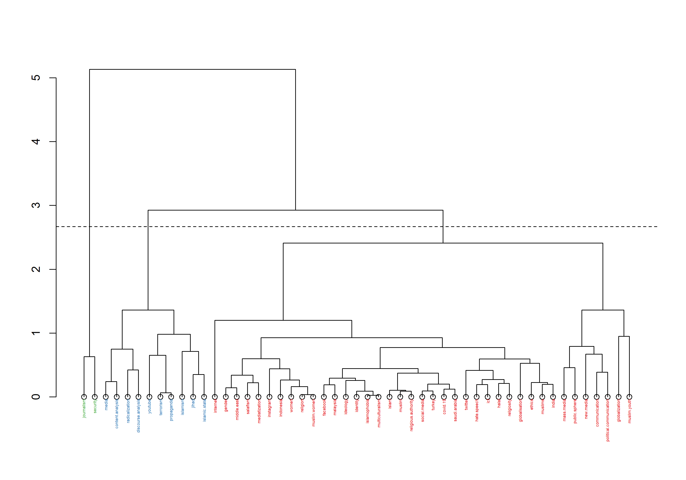
-0.63 | -0.08 | 1
-0.34 | -0.36 | 1
-0.47 | -0.8 | 1
1.86 | -0.31 | 2
0.07 | 2.76 | 1
-0.13 | 0.15 | 1
-0.07 | -0.16 | 1
-0.78 | -0.47 | 1
2.15 | 0.76 | 2
1.87 | -0.8 | 2
-0.54 | 0.43 | 1
-0.8 | 0.76 | 1
-0.72 | 0.28 | 1
3.11 | -0.43 | 2
-1.01 | 4.77 | 3
-1.06 | -0.69 | 1
-0.14 | 0.05 | 1
1.02 | 2.83 | 1
-0.02 | 1.58 | 1
-0.58 | 1.91 | 1
-0.82 | 0.01 | 1
-0.61 | 5.26 | 3

dim1 | dim2 | contrib | TC | Cluster
0.03 | 0 | 0.01 | 410 | 1
-0.08 | -0.1 | 0.12 | 155 | 1
0.18 | 0.09 | 0.29 | 148 | 1
-0.1 | -0.04 | 0.09 | 137 | 1
0.15 | -0.18 | 0.42 | 112 | 1
-0.15 | -0.18 | 0.42 | 105 | 1
-0.08 | -0.03 | 0.05 | 92 | 1
0.22 | -0.16 | 0.53 | 88 | 1
0.83 | -0.01 | 4.8 | 81 | 1
0.17 | 0.28 | 0.8 | 81 | 1
-0.07 | -0.04 | 0.05 | 73 | 1
-0.12 | -0.27 | 0.67 | 69 | 1
-0.07 | 0.02 | 0.03 | 66 | 1
-0.01 | 1.28 | 13 | 64 | 1
0.22 | 0.32 | 1.17 | 60 | 1
-0.01 | -0.08 | 0.05 | 59 | 1
-0.12 | -0.03 | 0.1 | 54 | 1
-0.11 | 0.04 | 0.09 | 50 | 1
-0.05 | -0.04 | 0.03 | 50 | 1
...

ThreeFieldsPlot
